Q-1
Purchasing Patterns
Problem Statement: What are the purchasing patterns of new customers versus repeat customers?
 |  |  |  |  | Visualization: | Insights:
Solution: Sql-Query:
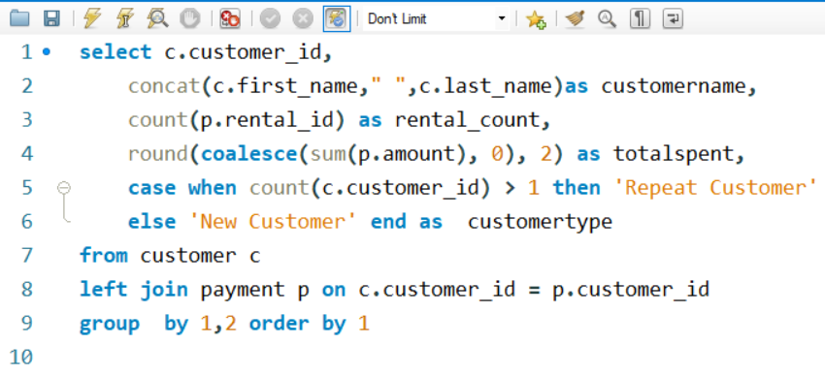
 |  |  |  |  |  | This line chart shows purchase of repeated/new customers (by adjusting slicer ),and as we see there are no any amount spent by new customers that meanse portion of them has not yet made purchases. This highlights the opportunity for targeted marketing efforts to convert these prospects into paying customers.By Tracking the progression of customers with no any purchase is crucial to measure the effectiveness of onboarding and engagement strategies and to identify opportunities for improving customer retention and satisfaction.

OUTPUT:

customer_id | customername | rental_count | totalspent | customertype
1 | MARY SMITH | 32 | 118.68 | Repeat Customer
2 | PATRICIA JOHNSON | 27 | 128.73 | Repeat Customer
3 | LINDA WILLIAMS | 26 | 135.74 | Repeat Customer
4 | BARBARA JONES | 22 | 81.78 | Repeat Customer
5 | ELIZABETH BROWN | 38 | 144.62 | Repeat Customer
6 | JENNIFER DAVIS | 28 | 93.72 | Repeat Customer
7 | MARIA MILLER | 33 | 151.67 | Repeat Customer
8 | SUSAN WILSON | 24 | 92.76 | Repeat Customer
9 | MARGARET MOORE | 23 | 89.77 | Repeat Customer
10 | DOROTHY TAYLOR | 25 | 99.75 | Repeat Customer
11 | LISA ANDERSON | 24 | 106.76 | Repeat Customer
12 | NANCY THOMAS | 28 | 103.72 | Repeat Customer
13 | KAREN JACKSON | 27 | 131.73 | Repeat Customer
14 | BETTY WHITE | 28 | 117.72 | Repeat Customer
15 | HELEN HARRIS | 32 | 134.68 | Repeat Customer
16 | SANDRA MARTIN | 28 | 118.72 | Repeat Customer
17 | DONNA THOMPSON | 21 | 98.79 | Repeat Customer
18 | CAROL GARCIA | 22 | 91.78 | Repeat Customer
19 | RUTH MARTINEZ | 24 | 125.76 | Repeat Customer
20 | SHARON ROBINSON | 30 | 115.7 | Repeat Customer
21 | MICHELLE CLARK | 35 | 155.65 | Repeat Customer
22 | LAURA RODRIGUEZ | 22 | 113.78 | Repeat Customer
23 | SARAH LEWIS | 30 | 119.7 | Repeat Customer
24 | KIMBERLY LEE | 25 | 95.75 | Repeat Customer
25 | DEBORAH WALKER | 29 | 115.71 | Repeat Customer
26 | JESSICA HALL | 34 | 152.66 | Repeat Customer
27 | SHIRLEY ALLEN | 31 | 126.69 | Repeat Customer
28 | CYNTHIA YOUNG | 32 | 111.68 | Repeat Customer
29 | ANGELA HERNANDEZ | 36 | 140.64 | Repeat Customer
30 | MELISSA KING | 34 | 123.66 | Repeat Customer
31 | BRENDA WRIGHT | 26 | 104.74 | Repeat Customer
32 | AMY LOPEZ | 29 | 127.71 | Repeat Customer
33 | ANNA HILL | 21 | 91.79 | Repeat Customer
34 | REBECCA SCOTT | 24 | 89.76 | Repeat Customer
35 | VIRGINIA GREEN | 32 | 129.68 | Repeat Customer
36 | KATHLEEN ADAMS | 27 | 92.73 | Repeat Customer
37 | PAMELA BAKER | 23 | 95.77 | Repeat Customer
38 | MARTHA GONZALEZ | 34 | 127.66 | Repeat Customer
39 | DEBRA NELSON | 29 | 141.71 | Repeat Customer
40 | AMANDA CARTER | 27 | 110.73 | Repeat Customer
41 | STEPHANIE MITCHELL | 25 | 118.75 | Repeat Customer
42 | CAROLYN PEREZ | 30 | 117.7 | Repeat Customer
43 | CHRISTINE ROBERTS | 24 | 99.76 | Repeat Customer
44 | MARIE TURNER | 26 | 114.74 | Repeat Customer
45 | JANET PHILLIPS | 27 | 127.73 | Repeat Customer
46 | CATHERINE CAMPBELL | 34 | 142.66 | Repeat Customer
47 | FRANCES PARKER | 22 | 108.78 | Repeat Customer
48 | ANN EVANS | 17 | 76.83 | Repeat Customer
49 | JOYCE EDWARDS | 28 | 130.72 | Repeat Customer
50 | DIANE COLLINS | 35 | 169.65 | Repeat Customer
51 | ALICE STEWART | 33 | 138.67 | Repeat Customer
52 | JULIE SANCHEZ | 29 | 107.71 | Repeat Customer
53 | HEATHER MORRIS | 30 | 115.7 | Repeat Customer
54 | TERESA ROGERS | 29 | 128.71 | Repeat Customer
55 | DORIS REED | 22 | 100.78 | Repeat Customer
56 | GLORIA COOK | 30 | 135.7 | Repeat Customer
57 | EVELYN MORGAN | 28 | 114.72 | Repeat Customer
58 | JEAN BELL | 27 | 115.73 | Repeat Customer
59 | CHERYL MURPHY | 27 | 133.73 | Repeat Customer
60 | MILDRED BAILEY | 25 | 98.75 | Repeat Customer
61 | KATHERINE RIVERA | 14 | 58.86 | Repeat Customer
62 | JOAN COOPER | 23 | 84.77 | Repeat Customer
63 | ASHLEY RICHARDSON | 25 | 112.75 | Repeat Customer
64 | JUDITH COX | 33 | 100.67 | Repeat Customer
65 | ROSE HOWARD | 22 | 103.78 | Repeat Customer
66 | JANICE WARD | 34 | 144.66 | Repeat Customer
67 | KELLY TORRES | 22 | 99.78 | Repeat Customer
68 | NICOLE PETERSON | 22 | 94.78 | Repeat Customer
69 | JUDY GRAY | 25 | 96.75 | Repeat Customer
70 | CHRISTINA RAMIREZ | 18 | 80.82 | Repeat Customer
71 | KATHY JAMES | 30 | 129.7 | Repeat Customer
72 | THERESA WATSON | 30 | 99.7 | Repeat Customer
73 | BEVERLY BROOKS | 24 | 97.76 | Repeat Customer
74 | DENISE KELLY | 27 | 103.73 | Repeat Customer
75 | TAMMY SANDERS | 41 | 155.59 | Repeat Customer
76 | IRENE PRICE | 23 | 77.77 | Repeat Customer
77 | JANE BENNETT | 28 | 100.72 | Repeat Customer
78 | LORI WOOD | 31 | 141.69 | Repeat Customer
79 | RACHEL BARNES | 22 | 84.78 | Repeat Customer
80 | MARILYN ROSS | 30 | 137.7 | Repeat Customer
81 | ANDREA HENDERSON | 22 | 93.78 | Repeat Customer
82 | KATHRYN COLEMAN | 26 | 130.74 | Repeat Customer
83 | LOUISE JENKINS | 25 | 101.75 | Repeat Customer
84 | SARA PERRY | 33 | 141.67 | Repeat Customer
85 | ANNE POWELL | 23 | 87.77 | Repeat Customer
86 | JACQUELINE LONG | 33 | 148.67 | Repeat Customer
87 | WANDA PATTERSON | 30 | 145.7 | Repeat Customer
88 | BONNIE HUGHES | 21 | 87.79 | Repeat Customer
89 | JULIA FLORES | 32 | 134.68 | Repeat Customer
90 | RUBY WASHINGTON | 28 | 110.72 | Repeat Customer
91 | LOIS BUTLER | 35 | 113.65 | Repeat Customer
92 | TINA SIMMONS | 28 | 133.72 | Repeat Customer
93 | PHYLLIS FOSTER | 23 | 91.77 | Repeat Customer
94 | NORMA GONZALES | 21 | 79.79 | Repeat Customer
95 | PAULA BRYANT | 18 | 77.82 | Repeat Customer
96 | DIANA ALEXANDER | 27 | 105.73 | Repeat Customer
97 | ANNIE RUSSELL | 18 | 58.82 | Repeat Customer
98 | LILLIAN GRIFFIN | 25 | 106.75 | Repeat Customer
99 | EMILY DIAZ | 24 | 91.76 | Repeat Customer
100 | ROBIN HAYES | 24 | 102.76 | Repeat Customer
101 | PEGGY MYERS | 24 | 96.76 | Repeat Customer
102 | CRYSTAL FORD | 33 | 137.67 | Repeat Customer
103 | GLADYS HAMILTON | 31 | 146.69 | Repeat Customer
104 | RITA GRAHAM | 24 | 92.76 | Repeat Customer
105 | DAWN SULLIVAN | 26 | 120.74 | Repeat Customer
106 | CONNIE WALLACE | 23 | 100.77 | Repeat Customer
107 | FLORENCE WOODS | 30 | 126.7 | Repeat Customer
108 | TRACY COLE | 30 | 132.7 | Repeat Customer
109 | EDNA WEST | 26 | 107.74 | Repeat Customer
110 | TIFFANY JORDAN | 14 | 59.86 | Repeat Customer
111 | CARMEN OWENS | 26 | 97.74 | Repeat Customer
112 | ROSA REYNOLDS | 30 | 133.7 | Repeat Customer
113 | CINDY FISHER | 29 | 113.71 | Repeat Customer
114 | GRACE ELLIS | 33 | 139.67 | Repeat Customer
115 | WENDY HARRISON | 30 | 91.7 | Repeat Customer
116 | VICTORIA GIBSON | 27 | 111.73 | Repeat Customer
117 | EDITH MCDONALD | 19 | 71.81 | Repeat Customer
118 | KIM CRUZ | 21 | 82.79 | Repeat Customer
119 | SHERRY MARSHALL | 34 | 153.66 | Repeat Customer
120 | SYLVIA ORTIZ | 32 | 143.68 | Repeat Customer
121 | JOSEPHINE GOMEZ | 26 | 109.74 | Repeat Customer
122 | THELMA MURRAY | 32 | 126.68 | Repeat Customer
123 | SHANNON FREEMAN | 24 | 100.76 | Repeat Customer
124 | SHEILA WELLS | 18 | 73.82 | Repeat Customer
125 | ETHEL WEBB | 32 | 135.68 | Repeat Customer
126 | ELLEN SIMPSON | 28 | 117.72 | Repeat Customer
127 | ELAINE STEVENS | 24 | 107.76 | Repeat Customer
128 | MARJORIE TUCKER | 32 | 127.68 | Repeat Customer
129 | CARRIE PORTER | 34 | 124.66 | Repeat Customer
130 | CHARLOTTE HUNTER | 24 | 93.76 | Repeat Customer
131 | MONICA HICKS | 30 | 128.7 | Repeat Customer
132 | ESTHER CRAWFORD | 28 | 95.72 | Repeat Customer
133 | PAULINE HENRY | 27 | 98.73 | Repeat Customer
134 | EMMA BOYD | 23 | 94.77 | Repeat Customer
135 | JUANITA MASON | 30 | 110.7 | Repeat Customer
136 | ANITA MORALES | 15 | 62.85 | Repeat Customer
137 | RHONDA KENNEDY | 39 | 194.61 | Repeat Customer
138 | HAZEL WARREN | 34 | 110.66 | Repeat Customer
139 | AMBER DIXON | 27 | 113.73 | Repeat Customer
140 | EVA RAMOS | 18 | 83.82 | Repeat Customer
141 | DEBBIE REYES | 32 | 130.68 | Repeat Customer
142 | APRIL BURNS | 26 | 94.74 | Repeat Customer
143 | LESLIE GORDON | 22 | 89.78 | Repeat Customer
144 | CLARA SHAW | 42 | 195.58 | Repeat Customer
145 | LUCILLE HOLMES | 28 | 108.72 | Repeat Customer
146 | JAMIE RICE | 29 | 139.71 | Repeat Customer
147 | JOANNE ROBERTSON | 34 | 127.66 | Repeat Customer
148 | ELEANOR HUNT | 46 | 216.54 | Repeat Customer
149 | VALERIE BLACK | 26 | 121.74 | Repeat Customer
150 | DANIELLE DANIELS | 25 | 105.75 | Repeat Customer
151 | MEGAN PALMER | 27 | 92.73 | Repeat Customer
152 | ALICIA MILLS | 21 | 83.79 | Repeat Customer
153 | SUZANNE NICHOLS | 24 | 94.76 | Repeat Customer
154 | MICHELE GRANT | 30 | 130.7 | Repeat Customer
155 | GAIL KNIGHT | 25 | 109.75 | Repeat Customer
156 | BERTHA FERGUSON | 25 | 101.75 | Repeat Customer
157 | DARLENE ROSE | 31 | 113.69 | Repeat Customer
158 | VERONICA STONE | 32 | 126.68 | Repeat Customer
159 | JILL HAWKINS | 21 | 68.79 | Repeat Customer
160 | ERIN DUNN | 27 | 106.73 | Repeat Customer
161 | GERALDINE PERKINS | 30 | 112.7 | Repeat Customer
162 | LAUREN HUDSON | 20 | 71.8 | Repeat Customer
163 | CATHY SPENCER | 29 | 122.71 | Repeat Customer
164 | JOANN GARDNER | 16 | 66.84 | Repeat Customer
165 | LORRAINE STEPHENS | 21 | 86.79 | Repeat Customer
166 | LYNN PAYNE | 28 | 123.72 | Repeat Customer
167 | SALLY PIERCE | 32 | 119.68 | Repeat Customer
168 | REGINA BERRY | 34 | 135.66 | Repeat Customer
169 | ERICA MATTHEWS | 22 | 95.78 | Repeat Customer
170 | BEATRICE ARNOLD | 26 | 119.74 | Repeat Customer
171 | DOLORES WAGNER | 26 | 114.74 | Repeat Customer
172 | BERNICE WILLIS | 33 | 145.67 | Repeat Customer
173 | AUDREY RAY | 29 | 119.71 | Repeat Customer
174 | YVONNE WATKINS | 21 | 92.79 | Repeat Customer
175 | ANNETTE OLSON | 24 | 98.76 | Repeat Customer
176 | JUNE CARROLL | 37 | 173.63 | Repeat Customer
177 | SAMANTHA DUNCAN | 23 | 71.77 | Repeat Customer
178 | MARION SNYDER | 39 | 194.61 | Repeat Customer
179 | DANA HART | 29 | 133.71 | Repeat Customer
180 | STACY CUNNINGHAM | 23 | 98.77 | Repeat Customer
181 | ANA BRADLEY | 34 | 174.66 | Repeat Customer
182 | RENEE LANE | 26 | 97.74 | Repeat Customer
183 | IDA ANDREWS | 23 | 76.77 | Repeat Customer
184 | VIVIAN RUIZ | 23 | 90.77 | Repeat Customer
185 | ROBERTA HARPER | 23 | 84.77 | Repeat Customer
186 | HOLLY FOX | 31 | 114.69 | Repeat Customer
187 | BRITTANY RILEY | 28 | 159.72 | Repeat Customer
188 | MELANIE ARMSTRONG | 25 | 92.75 | Repeat Customer
189 | LORETTA CARPENTER | 22 | 93.78 | Repeat Customer
190 | YOLANDA WEAVER | 27 | 110.73 | Repeat Customer
191 | JEANETTE GREENE | 20 | 74.8 | Repeat Customer
192 | LAURIE LAWRENCE | 23 | 99.77 | Repeat Customer
193 | KATIE ELLIOTT | 25 | 109.75 | Repeat Customer
194 | KRISTEN CHAVEZ | 18 | 87.82 | Repeat Customer
195 | VANESSA SIMS | 19 | 86.81 | Repeat Customer
196 | ALMA AUSTIN | 35 | 151.65 | Repeat Customer
197 | SUE PETERS | 40 | 154.6 | Repeat Customer
198 | ELSIE KELLEY | 37 | 141.63 | Repeat Customer
199 | BETH FRANKLIN | 25 | 103.75 | Repeat Customer
200 | JEANNE LAWSON | 27 | 136.73 | Repeat Customer
201 | VICKI FIELDS | 25 | 108.75 | Repeat Customer
202 | CARLA GUTIERREZ | 26 | 103.74 | Repeat Customer
203 | TARA RYAN | 20 | 88.8 | Repeat Customer
204 | ROSEMARY SCHMIDT | 35 | 147.65 | Repeat Customer
205 | EILEEN CARR | 18 | 80.82 | Repeat Customer
206 | TERRI VASQUEZ | 27 | 126.73 | Repeat Customer
207 | GERTRUDE CASTILLO | 34 | 137.66 | Repeat Customer
208 | LUCY WHEELER | 26 | 91.74 | Repeat Customer
209 | TONYA CHAPMAN | 32 | 161.68 | Repeat Customer
210 | ELLA OLIVER | 31 | 137.69 | Repeat Customer
211 | STACEY MONTGOMERY | 34 | 151.66 | Repeat Customer
212 | WILMA RICHARDS | 20 | 91.8 | Repeat Customer
213 | GINA WILLIAMSON | 28 | 111.72 | Repeat Customer
214 | KRISTIN JOHNSTON | 31 | 116.69 | Repeat Customer
215 | JESSIE BANKS | 26 | 91.74 | Repeat Customer
216 | NATALIE MEYER | 23 | 95.77 | Repeat Customer
217 | AGNES BISHOP | 23 | 98.77 | Repeat Customer
218 | VERA MCCOY | 18 | 67.82 | Repeat Customer
219 | WILLIE HOWELL | 26 | 101.74 | Repeat Customer
220 | CHARLENE ALVAREZ | 27 | 114.73 | Repeat Customer
221 | BESSIE MORRISON | 28 | 132.72 | Repeat Customer
222 | DELORES HANSEN | 21 | 91.79 | Repeat Customer
223 | MELINDA FERNANDEZ | 17 | 80.83 | Repeat Customer
224 | PEARL GARZA | 22 | 76.78 | Repeat Customer
225 | ARLENE HARVEY | 26 | 120.74 | Repeat Customer
226 | MAUREEN LITTLE | 21 | 87.79 | Repeat Customer
227 | COLLEEN BURTON | 24 | 87.76 | Repeat Customer
228 | ALLISON STANLEY | 27 | 92.73 | Repeat Customer
229 | TAMARA NGUYEN | 25 | 93.75 | Repeat Customer
230 | JOY GEORGE | 33 | 124.67 | Repeat Customer
231 | GEORGIA JACOBS | 26 | 110.74 | Repeat Customer
232 | CONSTANCE REID | 25 | 95.75 | Repeat Customer
233 | LILLIE KIM | 23 | 89.77 | Repeat Customer
234 | CLAUDIA FULLER | 26 | 111.74 | Repeat Customer
235 | JACKIE LYNCH | 25 | 93.75 | Repeat Customer
236 | MARCIA DEAN | 42 | 175.58 | Repeat Customer
237 | TANYA GILBERT | 33 | 144.67 | Repeat Customer
238 | NELLIE GARRETT | 21 | 94.79 | Repeat Customer
239 | MINNIE ROMERO | 34 | 142.66 | Repeat Customer
240 | MARLENE WELCH | 26 | 117.74 | Repeat Customer
241 | HEIDI LARSON | 34 | 122.66 | Repeat Customer
242 | GLENDA FRAZIER | 32 | 140.68 | Repeat Customer
243 | LYDIA BURKE | 24 | 82.76 | Repeat Customer
244 | VIOLA HANSON | 32 | 129.68 | Repeat Customer
245 | COURTNEY DAY | 32 | 132.68 | Repeat Customer
246 | MARIAN MENDOZA | 23 | 107.77 | Repeat Customer
247 | STELLA MORENO | 22 | 104.78 | Repeat Customer
248 | CAROLINE BOWMAN | 15 | 50.85 | Repeat Customer
249 | DORA MEDINA | 23 | 107.77 | Repeat Customer
250 | JO FOWLER | 20 | 73.8 | Repeat Customer
251 | VICKIE BREWER | 31 | 120.69 | Repeat Customer
252 | MATTIE HOFFMAN | 22 | 64.78 | Repeat Customer
253 | TERRY CARLSON | 29 | 127.71 | Repeat Customer
254 | MAXINE SILVA | 32 | 116.68 | Repeat Customer
255 | IRMA PEARSON | 18 | 70.82 | Repeat Customer
256 | MABEL HOLLAND | 30 | 112.7 | Repeat Customer
257 | MARSHA DOUGLAS | 37 | 151.63 | Repeat Customer
258 | MYRTLE FLEMING | 24 | 110.76 | Repeat Customer
259 | LENA JENSEN | 32 | 168.68 | Repeat Customer
260 | CHRISTY VARGAS | 31 | 122.69 | Repeat Customer
261 | DEANNA BYRD | 26 | 107.74 | Repeat Customer
262 | PATSY DAVIDSON | 28 | 119.72 | Repeat Customer
263 | HILDA HOPKINS | 29 | 122.71 | Repeat Customer
264 | GWENDOLYN MAY | 25 | 98.75 | Repeat Customer
265 | JENNIE TERRY | 29 | 133.71 | Repeat Customer
266 | NORA HERRERA | 28 | 118.72 | Repeat Customer
267 | MARGIE WADE | 36 | 159.64 | Repeat Customer
268 | NINA SOTO | 29 | 123.71 | Repeat Customer
269 | CASSANDRA WALTERS | 30 | 129.7 | Repeat Customer
270 | LEAH CURTIS | 25 | 104.75 | Repeat Customer
271 | PENNY NEAL | 18 | 68.82 | Repeat Customer
272 | KAY CALDWELL | 20 | 98.8 | Repeat Customer
273 | PRISCILLA LOWE | 35 | 157.65 | Repeat Customer
274 | NAOMI JENNINGS | 35 | 152.65 | Repeat Customer
275 | CAROLE BARNETT | 30 | 108.7 | Repeat Customer
276 | BRANDY GRAVES | 28 | 122.72 | Repeat Customer
277 | OLGA JIMENEZ | 32 | 144.68 | Repeat Customer
278 | BILLIE HORTON | 26 | 88.74 | Repeat Customer
279 | DIANNE SHELTON | 31 | 135.69 | Repeat Customer
280 | TRACEY BARRETT | 27 | 118.73 | Repeat Customer
281 | LEONA OBRIEN | 14 | 50.86 | Repeat Customer
282 | JENNY CASTRO | 27 | 103.73 | Repeat Customer
283 | FELICIA SUTTON | 28 | 86.72 | Repeat Customer
284 | SONIA GREGORY | 28 | 126.72 | Repeat Customer
285 | MIRIAM MCKINNEY | 26 | 135.74 | Repeat Customer
286 | VELMA LUCAS | 27 | 117.73 | Repeat Customer
287 | BECKY MILES | 29 | 115.71 | Repeat Customer
288 | BOBBIE CRAIG | 24 | 80.76 | Repeat Customer
289 | VIOLET RODRIQUEZ | 30 | 142.7 | Repeat Customer
290 | KRISTINA CHAMBERS | 28 | 109.72 | Repeat Customer
291 | TONI HOLT | 23 | 95.77 | Repeat Customer
292 | MISTY LAMBERT | 27 | 118.73 | Repeat Customer
293 | MAE FLETCHER | 31 | 158.69 | Repeat Customer
294 | SHELLY WATTS | 26 | 113.74 | Repeat Customer
295 | DAISY BATES | 38 | 162.62 | Repeat Customer
296 | RAMONA HALE | 30 | 129.7 | Repeat Customer
297 | SHERRI RHODES | 33 | 128.67 | Repeat Customer
298 | ERIKA PENA | 26 | 101.74 | Repeat Customer
299 | JAMES GANNON | 30 | 131.7 | Repeat Customer
300 | JOHN FARNSWORTH | 31 | 137.69 | Repeat Customer
301 | ROBERT BAUGHMAN | 21 | 92.79 | Repeat Customer
302 | MICHAEL SILVERMAN | 29 | 127.71 | Repeat Customer
303 | WILLIAM SATTERFIELD | 26 | 100.74 | Repeat Customer
304 | DAVID ROYAL | 26 | 115.74 | Repeat Customer
305 | RICHARD MCCRARY | 25 | 109.75 | Repeat Customer
306 | CHARLES KOWALSKI | 32 | 138.68 | Repeat Customer
307 | JOSEPH JOY | 30 | 134.7 | Repeat Customer
308 | THOMAS GRIGSBY | 25 | 105.75 | Repeat Customer
309 | CHRISTOPHER GRECO | 31 | 147.69 | Repeat Customer
310 | DANIEL CABRAL | 20 | 97.8 | Repeat Customer
311 | PAUL TROUT | 23 | 120.77 | Repeat Customer
312 | MARK RINEHART | 26 | 104.74 | Repeat Customer
313 | DONALD MAHON | 23 | 89.77 | Repeat Customer
314 | GEORGE LINTON | 33 | 131.67 | Repeat Customer
315 | KENNETH GOODEN | 17 | 84.83 | Repeat Customer
316 | STEVEN CURLEY | 29 | 132.71 | Repeat Customer
317 | EDWARD BAUGH | 28 | 114.72 | Repeat Customer
318 | BRIAN WYMAN | 12 | 52.88 | Repeat Customer
319 | RONALD WEINER | 30 | 132.7 | Repeat Customer
320 | ANTHONY SCHWAB | 20 | 71.8 | Repeat Customer
321 | KEVIN SCHULER | 22 | 116.78 | Repeat Customer
322 | JASON MORRISSEY | 28 | 128.72 | Repeat Customer
323 | MATTHEW MAHAN | 31 | 114.69 | Repeat Customer
324 | GARY COY | 25 | 103.75 | Repeat Customer
325 | TIMOTHY BUNN | 22 | 91.78 | Repeat Customer
326 | JOSE ANDREW | 25 | 96.75 | Repeat Customer
327 | LARRY THRASHER | 26 | 112.74 | Repeat Customer
328 | JEFFREY SPEAR | 23 | 90.77 | Repeat Customer
329 | FRANK WAGGONER | 32 | 127.68 | Repeat Customer
330 | SCOTT SHELLEY | 25 | 94.75 | Repeat Customer
331 | ERIC ROBERT | 27 | 122.73 | Repeat Customer
332 | STEPHEN QUALLS | 28 | 118.72 | Repeat Customer
333 | ANDREW PURDY | 27 | 109.73 | Repeat Customer
334 | RAYMOND MCWHORTER | 30 | 135.7 | Repeat Customer
335 | GREGORY MAULDIN | 23 | 78.77 | Repeat Customer
336 | JOSHUA MARK | 30 | 119.7 | Repeat Customer
337 | JERRY JORDON | 29 | 143.71 | Repeat Customer
338 | DENNIS GILMAN | 28 | 114.72 | Repeat Customer
339 | WALTER PERRYMAN | 30 | 127.7 | Repeat Customer
340 | PATRICK NEWSOM | 31 | 119.69 | Repeat Customer
341 | PETER MENARD | 23 | 106.77 | Repeat Customer
342 | HAROLD MARTINO | 32 | 130.68 | Repeat Customer
343 | DOUGLAS GRAF | 25 | 114.75 | Repeat Customer
344 | HENRY BILLINGSLEY | 18 | 73.82 | Repeat Customer
345 | CARL ARTIS | 23 | 106.77 | Repeat Customer
346 | ARTHUR SIMPKINS | 32 | 155.68 | Repeat Customer
347 | RYAN SALISBURY | 30 | 142.7 | Repeat Customer
348 | ROGER QUINTANILLA | 36 | 146.64 | Repeat Customer
349 | JOE GILLILAND | 29 | 138.71 | Repeat Customer
350 | JUAN FRALEY | 23 | 73.77 | Repeat Customer
351 | JACK FOUST | 24 | 89.76 | Repeat Customer
352 | ALBERT CROUSE | 23 | 99.77 | Repeat Customer
353 | JONATHAN SCARBOROUGH | 18 | 72.82 | Repeat Customer
354 | JUSTIN NGO | 36 | 129.64 | Repeat Customer
355 | TERRY GRISSOM | 20 | 72.8 | Repeat Customer
356 | GERALD FULTZ | 30 | 121.7 | Repeat Customer
357 | KEITH RICO | 26 | 89.74 | Repeat Customer
358 | SAMUEL MARLOW | 21 | 80.79 | Repeat Customer
359 | WILLIE MARKHAM | 25 | 101.75 | Repeat Customer
360 | RALPH MADRIGAL | 34 | 150.66 | Repeat Customer
361 | LAWRENCE LAWTON | 31 | 100.69 | Repeat Customer
362 | NICHOLAS BARFIELD | 32 | 145.68 | Repeat Customer
363 | ROY WHITING | 29 | 143.71 | Repeat Customer
364 | BENJAMIN VARNEY | 23 | 95.77 | Repeat Customer
365 | BRUCE SCHWARZ | 23 | 103.77 | Repeat Customer
366 | BRANDON HUEY | 37 | 152.63 | Repeat Customer
367 | ADAM GOOCH | 22 | 101.78 | Repeat Customer
368 | HARRY ARCE | 35 | 157.65 | Repeat Customer
369 | FRED WHEAT | 25 | 88.75 | Repeat Customer
370 | WAYNE TRUONG | 19 | 70.81 | Repeat Customer
371 | BILLY POULIN | 35 | 149.65 | Repeat Customer
372 | STEVE MACKENZIE | 34 | 158.66 | Repeat Customer
373 | LOUIS LEONE | 35 | 161.65 | Repeat Customer
374 | JEREMY HURTADO | 28 | 103.72 | Repeat Customer
375 | AARON SELBY | 24 | 110.76 | Repeat Customer
376 | RANDY GAITHER | 28 | 110.72 | Repeat Customer
377 | HOWARD FORTNER | 26 | 93.74 | Repeat Customer
378 | EUGENE CULPEPPER | 19 | 71.81 | Repeat Customer
379 | CARLOS COUGHLIN | 23 | 106.77 | Repeat Customer
380 | RUSSELL BRINSON | 36 | 136.64 | Repeat Customer
381 | BOBBY BOUDREAU | 35 | 106.65 | Repeat Customer
382 | VICTOR BARKLEY | 24 | 91.76 | Repeat Customer
383 | MARTIN BALES | 27 | 103.73 | Repeat Customer
384 | ERNEST STEPP | 25 | 89.75 | Repeat Customer
385 | PHILLIP HOLM | 26 | 101.74 | Repeat Customer
386 | TODD TAN | 29 | 117.71 | Repeat Customer
387 | JESSE SCHILLING | 26 | 101.74 | Repeat Customer
388 | CRAIG MORRELL | 30 | 124.7 | Repeat Customer
389 | ALAN KAHN | 26 | 124.74 | Repeat Customer
390 | SHAWN HEATON | 33 | 152.67 | Repeat Customer
391 | CLARENCE GAMEZ | 30 | 104.7 | Repeat Customer
392 | SEAN DOUGLASS | 23 | 91.77 | Repeat Customer
393 | PHILIP CAUSEY | 31 | 121.69 | Repeat Customer
394 | CHRIS BROTHERS | 22 | 84.78 | Repeat Customer
395 | JOHNNY TURPIN | 19 | 57.81 | Repeat Customer
396 | EARL SHANKS | 27 | 111.73 | Repeat Customer
397 | JIMMY SCHRADER | 29 | 105.71 | Repeat Customer
398 | ANTONIO MEEK | 16 | 78.84 | Repeat Customer
399 | DANNY ISOM | 21 | 91.79 | Repeat Customer
400 | BRYAN HARDISON | 28 | 124.72 | Repeat Customer
401 | TONY CARRANZA | 21 | 73.79 | Repeat Customer
402 | LUIS YANEZ | 20 | 79.8 | Repeat Customer
403 | MIKE WAY | 35 | 166.65 | Repeat Customer
404 | STANLEY SCROGGINS | 30 | 139.7 | Repeat Customer
405 | LEONARD SCHOFIELD | 32 | 109.68 | Repeat Customer
406 | NATHAN RUNYON | 32 | 122.68 | Repeat Customer
407 | DALE RATCLIFF | 27 | 112.73 | Repeat Customer
408 | MANUEL MURRELL | 30 | 116.7 | Repeat Customer
409 | RODNEY MOELLER | 23 | 104.77 | Repeat Customer
410 | CURTIS IRBY | 38 | 167.62 | Repeat Customer
411 | NORMAN CURRIER | 26 | 80.74 | Repeat Customer
412 | ALLEN BUTTERFIELD | 21 | 85.79 | Repeat Customer
413 | MARVIN YEE | 21 | 75.79 | Repeat Customer
414 | VINCENT RALSTON | 25 | 105.75 | Repeat Customer
415 | GLENN PULLEN | 23 | 93.77 | Repeat Customer
416 | JEFFERY PINSON | 31 | 121.69 | Repeat Customer
417 | TRAVIS ESTEP | 25 | 110.75 | Repeat Customer
418 | JEFF EAST | 30 | 107.7 | Repeat Customer
419 | CHAD CARBONE | 25 | 89.75 | Repeat Customer
420 | JACOB LANCE | 21 | 79.79 | Repeat Customer
421 | LEE HAWKS | 27 | 119.73 | Repeat Customer
422 | MELVIN ELLINGTON | 26 | 97.74 | Repeat Customer
423 | ALFRED CASILLAS | 26 | 120.74 | Repeat Customer
424 | KYLE SPURLOCK | 30 | 110.7 | Repeat Customer
425 | FRANCIS SIKES | 26 | 104.74 | Repeat Customer
426 | BRADLEY MOTLEY | 27 | 126.73 | Repeat Customer
427 | JESUS MCCARTNEY | 24 | 114.76 | Repeat Customer
428 | HERBERT KRUGER | 20 | 78.8 | Repeat Customer
429 | FREDERICK ISBELL | 21 | 105.79 | Repeat Customer
430 | RAY HOULE | 22 | 79.78 | Repeat Customer
431 | JOEL FRANCISCO | 23 | 95.77 | Repeat Customer
432 | EDWIN BURK | 23 | 116.77 | Repeat Customer
433 | DON BONE | 25 | 133.75 | Repeat Customer
434 | EDDIE TOMLIN | 27 | 128.73 | Repeat Customer
435 | RICKY SHELBY | 25 | 91.75 | Repeat Customer
436 | TROY QUIGLEY | 30 | 144.7 | Repeat Customer
437 | RANDALL NEUMANN | 23 | 99.77 | Repeat Customer
438 | BARRY LOVELACE | 33 | 134.67 | Repeat Customer
439 | ALEXANDER FENNELL | 36 | 151.64 | Repeat Customer
440 | BERNARD COLBY | 22 | 88.78 | Repeat Customer
441 | MARIO CHEATHAM | 28 | 112.72 | Repeat Customer
442 | LEROY BUSTAMANTE | 32 | 118.68 | Repeat Customer
443 | FRANCISCO SKIDMORE | 22 | 98.78 | Repeat Customer
444 | MARCUS HIDALGO | 30 | 115.7 | Repeat Customer
445 | MICHEAL FORMAN | 26 | 102.74 | Repeat Customer
446 | THEODORE CULP | 31 | 116.69 | Repeat Customer
447 | CLIFFORD BOWENS | 29 | 113.71 | Repeat Customer
448 | MIGUEL BETANCOURT | 29 | 135.71 | Repeat Customer
449 | OSCAR AQUINO | 20 | 99.8 | Repeat Customer
450 | JAY ROBB | 26 | 89.74 | Repeat Customer
451 | JIM REA | 33 | 128.67 | Repeat Customer
452 | TOM MILNER | 32 | 107.68 | Repeat Customer
453 | CALVIN MARTEL | 23 | 111.77 | Repeat Customer
454 | ALEX GRESHAM | 33 | 151.67 | Repeat Customer
455 | JON WILES | 24 | 87.76 | Repeat Customer
456 | RONNIE RICKETTS | 25 | 100.75 | Repeat Customer
457 | BILL GAVIN | 28 | 114.72 | Repeat Customer
458 | LLOYD DOWD | 19 | 66.81 | Repeat Customer
459 | TOMMY COLLAZO | 38 | 186.62 | Repeat Customer
460 | LEON BOSTIC | 25 | 109.75 | Repeat Customer
461 | DEREK BLAKELY | 28 | 97.72 | Repeat Customer
462 | WARREN SHERROD | 33 | 159.67 | Repeat Customer
463 | DARRELL POWER | 25 | 91.75 | Repeat Customer
464 | JEROME KENYON | 16 | 73.84 | Repeat Customer
465 | FLOYD GANDY | 17 | 69.83 | Repeat Customer
466 | LEO EBERT | 23 | 104.77 | Repeat Customer
467 | ALVIN DELOACH | 29 | 139.71 | Repeat Customer
468 | TIM CARY | 39 | 175.61 | Repeat Customer
469 | WESLEY BULL | 40 | 177.6 | Repeat Customer
470 | GORDON ALLARD | 32 | 160.68 | Repeat Customer
471 | DEAN SAUER | 27 | 109.73 | Repeat Customer
472 | GREG ROBINS | 30 | 141.7 | Repeat Customer
473 | JORGE OLIVARES | 34 | 134.66 | Repeat Customer
474 | DUSTIN GILLETTE | 26 | 100.74 | Repeat Customer
475 | PEDRO CHESTNUT | 24 | 103.76 | Repeat Customer
476 | DERRICK BOURQUE | 22 | 95.78 | Repeat Customer
477 | DAN PAINE | 22 | 109.78 | Repeat Customer
478 | LEWIS LYMAN | 19 | 86.81 | Repeat Customer
479 | ZACHARY HITE | 31 | 146.69 | Repeat Customer
480 | COREY HAUSER | 22 | 101.78 | Repeat Customer
481 | HERMAN DEVORE | 29 | 115.71 | Repeat Customer
482 | MAURICE CRAWLEY | 29 | 138.71 | Repeat Customer
483 | VERNON CHAPA | 18 | 88.82 | Repeat Customer
484 | ROBERTO VU | 30 | 139.7 | Repeat Customer
485 | CLYDE TOBIAS | 29 | 115.71 | Repeat Customer
486 | GLEN TALBERT | 26 | 113.74 | Repeat Customer
487 | HECTOR POINDEXTER | 26 | 119.74 | Repeat Customer
488 | SHANE MILLARD | 22 | 95.78 | Repeat Customer
489 | RICARDO MEADOR | 21 | 99.79 | Repeat Customer
490 | SAM MCDUFFIE | 24 | 117.76 | Repeat Customer
491 | RICK MATTOX | 27 | 124.73 | Repeat Customer
492 | LESTER KRAUS | 16 | 65.84 | Repeat Customer
493 | BRENT HARKINS | 23 | 112.77 | Repeat Customer
494 | RAMON CHOATE | 31 | 140.69 | Repeat Customer
495 | CHARLIE BESS | 26 | 120.74 | Repeat Customer
496 | TYLER WREN | 21 | 88.79 | Repeat Customer
497 | GILBERT SLEDGE | 28 | 129.72 | Repeat Customer
498 | GENE SANBORN | 27 | 97.73 | Repeat Customer
499 | MARC OUTLAW | 30 | 123.7 | Repeat Customer
500 | REGINALD KINDER | 28 | 115.72 | Repeat Customer
501 | RUBEN GEARY | 21 | 89.79 | Repeat Customer
502 | BRETT CORNWELL | 34 | 138.66 | Repeat Customer
503 | ANGEL BARCLAY | 32 | 115.68 | Repeat Customer
504 | NATHANIEL ADAM | 28 | 133.72 | Repeat Customer
505 | RAFAEL ABNEY | 21 | 97.79 | Repeat Customer
506 | LESLIE SEWARD | 35 | 152.65 | Repeat Customer
507 | EDGAR RHOADS | 25 | 95.75 | Repeat Customer
508 | MILTON HOWLAND | 25 | 127.75 | Repeat Customer
509 | RAUL FORTIER | 20 | 100.8 | Repeat Customer
510 | BEN EASTER | 26 | 122.74 | Repeat Customer
511 | CHESTER BENNER | 24 | 99.76 | Repeat Customer
512 | CECIL VINES | 26 | 115.74 | Repeat Customer
513 | DUANE TUBBS | 31 | 148.69 | Repeat Customer
514 | FRANKLIN TROUTMAN | 22 | 74.78 | Repeat Customer
515 | ANDRE RAPP | 28 | 126.72 | Repeat Customer
516 | ELMER NOE | 26 | 98.74 | Repeat Customer
517 | BRAD MCCURDY | 25 | 105.75 | Repeat Customer
518 | GABRIEL HARDER | 26 | 111.74 | Repeat Customer
519 | RON DELUCA | 23 | 103.77 | Repeat Customer
520 | MITCHELL WESTMORELAND | 32 | 134.68 | Repeat Customer
521 | ROLAND SOUTH | 11 | 33.89 | Repeat Customer
522 | ARNOLD HAVENS | 0 | 0 | New Customer
523 | HARVEY GUAJARDO | 0 | 0 | New Customer
524 | JARED ELY | 0 | 0 | New Customer
525 | ADRIAN CLARY | 0 | 0 | New Customer
526 | KARL SEAL | 0 | 0 | New Customer
527 | CORY MEEHAN | 0 | 0 | New Customer
528 | CLAUDE HERZOG | 0 | 0 | New Customer
529 | ERIK GUILLEN | 0 | 0 | New Customer
530 | DARRYL ASHCRAFT | 0 | 0 | New Customer
531 | JAMIE WAUGH | 0 | 0 | New Customer
532 | NEIL RENNER | 0 | 0 | New Customer
533 | JESSIE MILAM | 0 | 0 | New Customer
534 | CHRISTIAN JUNG | 0 | 0 | New Customer
535 | JAVIER ELROD | 0 | 0 | New Customer
536 | FERNANDO CHURCHILL | 0 | 0 | New Customer
537 | CLINTON BUFORD | 0 | 0 | New Customer
538 | TED BREAUX | 0 | 0 | New Customer
539 | MATHEW BOLIN | 0 | 0 | New Customer
540 | TYRONE ASHER | 0 | 0 | New Customer
541 | DARREN WINDHAM | 0 | 0 | New Customer
542 | LONNIE TIRADO | 0 | 0 | New Customer
543 | LANCE PEMBERTON | 0 | 0 | New Customer
544 | CODY NOLEN | 0 | 0 | New Customer
545 | JULIO NOLAND | 0 | 0 | New Customer
546 | KELLY KNOTT | 0 | 0 | New Customer
547 | KURT EMMONS | 0 | 0 | New Customer
548 | ALLAN CORNISH | 0 | 0 | New Customer
549 | NELSON CHRISTENSON | 0 | 0 | New Customer
550 | GUY BROWNLEE | 0 | 0 | New Customer
551 | CLAYTON BARBEE | 0 | 0 | New Customer
552 | HUGH WALDROP | 0 | 0 | New Customer
553 | MAX PITT | 0 | 0 | New Customer
554 | DWAYNE OLVERA | 0 | 0 | New Customer
555 | DWIGHT LOMBARDI | 0 | 0 | New Customer
556 | ARMANDO GRUBER | 0 | 0 | New Customer
557 | FELIX GAFFNEY | 0 | 0 | New Customer
558 | JIMMIE EGGLESTON | 0 | 0 | New Customer
559 | EVERETT BANDA | 0 | 0 | New Customer
560 | JORDAN ARCHULETA | 0 | 0 | New Customer
561 | IAN STILL | 0 | 0 | New Customer
562 | WALLACE SLONE | 0 | 0 | New Customer
563 | KEN PREWITT | 0 | 0 | New Customer
564 | BOB PFEIFFER | 0 | 0 | New Customer
565 | JAIME NETTLES | 0 | 0 | New Customer
566 | CASEY MENA | 0 | 0 | New Customer
567 | ALFREDO MCADAMS | 0 | 0 | New Customer
568 | ALBERTO HENNING | 0 | 0 | New Customer
569 | DAVE GARDINER | 0 | 0 | New Customer
570 | IVAN CROMWELL | 0 | 0 | New Customer
571 | JOHNNIE CHISHOLM | 0 | 0 | New Customer
572 | SIDNEY BURLESON | 0 | 0 | New Customer
573 | BYRON BOX | 0 | 0 | New Customer
574 | JULIAN VEST | 0 | 0 | New Customer
575 | ISAAC OGLESBY | 0 | 0 | New Customer
576 | MORRIS MCCARTER | 0 | 0 | New Customer
577 | CLIFTON MALCOLM | 0 | 0 | New Customer
578 | WILLARD LUMPKIN | 0 | 0 | New Customer
579 | DARYL LARUE | 0 | 0 | New Customer
580 | ROSS GREY | 0 | 0 | New Customer
581 | VIRGIL WOFFORD | 0 | 0 | New Customer
582 | ANDY VANHORN | 0 | 0 | New Customer
583 | MARSHALL THORN | 0 | 0 | New Customer
584 | SALVADOR TEEL | 0 | 0 | New Customer
585 | PERRY SWAFFORD | 0 | 0 | New Customer
586 | KIRK STCLAIR | 0 | 0 | New Customer
587 | SERGIO STANFIELD | 0 | 0 | New Customer
588 | MARION OCAMPO | 0 | 0 | New Customer
589 | TRACY HERRMANN | 0 | 0 | New Customer
590 | SETH HANNON | 0 | 0 | New Customer
591 | KENT ARSENAULT | 0 | 0 | New Customer
592 | TERRANCE ROUSH | 0 | 0 | New Customer
593 | RENE MCALISTER | 0 | 0 | New Customer
594 | EDUARDO HIATT | 0 | 0 | New Customer
595 | TERRENCE GUNDERSON | 0 | 0 | New Customer
596 | ENRIQUE FORSYTHE | 0 | 0 | New Customer
597 | FREDDIE DUGGAN | 0 | 0 | New Customer
598 | WADE DELVALLE | 0 | 0 | New Customer
599 | AUSTIN CINTRON | 0 | 0 | New Customer

Q-2
Problem Statement:Which films have the highest rental-rates and are most in demand? |  |  |  | Visulization: |  | Insights:

 | rental_rate | rental_count
TRIP NEWTON | 4.99 | 28
STAGECOACH ARMAGEDDON | 4.99 | 26
DRIFTER COMMANDMENTS | 4.99 | 24
EASY GLADIATOR | 4.99 | 23
FOOL MOCKINGBIRD | 4.99 | 23
TRUMAN CRAZY | 4.99 | 23
AMERICAN CIRCUS | 4.99 | 22
MINDS TRUMAN | 4.99 | 20
KISSING DOLLS | 4.99 | 20
DARN FORRESTER | 4.99 | 18
WATERFRONT DELIVERANCE | 4.99 | 17
DEVIL DESIRE | 4.99 | 15
WEREWOLF LOLA | 4.99 | 14
DARKO DORADO | 4.99 | 11
CASUALTIES ENCINO | 4.99 | 9
GOSFORD DONNIE | 4.99 | 8
PARK CITIZEN | 4.99 | 8
SUSPECTS QUILLS | 2.99 | 30
CLUELESS BUCKET | 2.99 | 25
DREAM PICKUP | 2.99 | 22
SOUTH WAIT | 2.99 | 22
BERETS AGENT | 2.99 | 21
QUEST MUSSOLINI | 2.99 | 20
CAMPUS REMEMBER | 2.99 | 19
FORREST SONS | 2.99 | 18
BAREFOOT MANCHURIAN | 2.99 | 18
UPRISING UPTOWN | 2.99 | 16
PATRIOT ROMAN | 2.99 | 16
WORST BANGER | 2.99 | 16
LUST LOCK | 2.99 | 15
SHRUNK DIVINE | 2.99 | 14
SPEAKEASY DATE | 2.99 | 12
LORD ARIZONA | 2.99 | 11
GRAIL FRANKENSTEIN | 2.99 | 10
ANTITRUST TOMATOES | 2.99 | 10
RUGRATS SHAKESPEARE | 0.99 | 30
HANDICAP BOONDOCK | 0.99 | 28
STORY SIDE | 0.99 | 28
PRIMARY GLASS | 0.99 | 27
FANTASY TROOPERS | 0.99 | 26
HILLS NEIGHBORS | 0.99 | 25
MOCKINGBIRD HOLLYWOOD | 0.99 | 24
CELEBRITY HORN | 0.99 | 24
WOMEN DORADO | 0.99 | 23
EXCITEMENT EVE | 0.99 | 21
AMADEUS HOLY | 0.99 | 21
BRIDE INTRIGUE | 0.99 | 19
MIDNIGHT WESTWARD | 0.99 | 17
REAR TRADING | 0.99 | 17
CADDYSHACK JEDI | 0.99 | 16
...
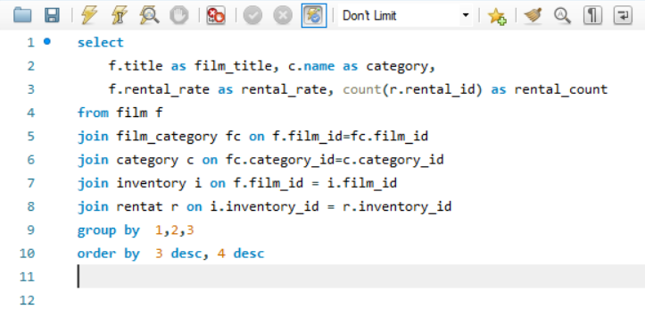
Solution: Sql Query:
 |  |  |  |  | The chart shows that certain films with higher rental rates are also the most in demand. This suggests that customers are willing to pay more for films they find highly appealing or entertaining movie. And movie "BUCKET BROTHERHOOD" has higher rental rates and also has high demand(rental count). Analyzing the films with the highest rental rates and demand can help rental stores prioritize their inventory and marketing efforts, ensuring they have these popular titles readily available for customers. To optimize revenue, rental stores can consider promoting films that combine high rental rates with high demand, as they are likely to generate substantial income.

Output:

film_title | category | rental_rate | rental_count
TRIP NEWTON | Action | 4.99 | 28
STAGECOACH ARMAGEDDON | Action | 4.99 | 26
DRIFTER COMMANDMENTS | Action | 4.99 | 24
EASY GLADIATOR | Action | 4.99 | 23
FOOL MOCKINGBIRD | Action | 4.99 | 23
TRUMAN CRAZY | Action | 4.99 | 23
AMERICAN CIRCUS | Action | 4.99 | 22
MINDS TRUMAN | Action | 4.99 | 20
KISSING DOLLS | Action | 4.99 | 20
DARN FORRESTER | Action | 4.99 | 18
WATERFRONT DELIVERANCE | Action | 4.99 | 17
DEVIL DESIRE | Action | 4.99 | 15
WEREWOLF LOLA | Action | 4.99 | 14
DARKO DORADO | Action | 4.99 | 11
CASUALTIES ENCINO | Action | 4.99 | 9
GOSFORD DONNIE | Action | 4.99 | 8
PARK CITIZEN | Action | 4.99 | 8
SUSPECTS QUILLS | Action | 2.99 | 30
CLUELESS BUCKET | Action | 2.99 | 25
DREAM PICKUP | Action | 2.99 | 22
SOUTH WAIT | Action | 2.99 | 22
BERETS AGENT | Action | 2.99 | 21
QUEST MUSSOLINI | Action | 2.99 | 20
CAMPUS REMEMBER | Action | 2.99 | 19
FORREST SONS | Action | 2.99 | 18
BAREFOOT MANCHURIAN | Action | 2.99 | 18
UPRISING UPTOWN | Action | 2.99 | 16
PATRIOT ROMAN | Action | 2.99 | 16
WORST BANGER | Action | 2.99 | 16
LUST LOCK | Action | 2.99 | 15
SHRUNK DIVINE | Action | 2.99 | 14
SPEAKEASY DATE | Action | 2.99 | 12
LORD ARIZONA | Action | 2.99 | 11
GRAIL FRANKENSTEIN | Action | 2.99 | 10
ANTITRUST TOMATOES | Action | 2.99 | 10
RUGRATS SHAKESPEARE | Action | 0.99 | 30
HANDICAP BOONDOCK | Action | 0.99 | 28
STORY SIDE | Action | 0.99 | 28
PRIMARY GLASS | Action | 0.99 | 27
FANTASY TROOPERS | Action | 0.99 | 26
HILLS NEIGHBORS | Action | 0.99 | 25
MOCKINGBIRD HOLLYWOOD | Action | 0.99 | 24
CELEBRITY HORN | Action | 0.99 | 24
WOMEN DORADO | Action | 0.99 | 23
EXCITEMENT EVE | Action | 0.99 | 21
AMADEUS HOLY | Action | 0.99 | 21
BRIDE INTRIGUE | Action | 0.99 | 19
MIDNIGHT WESTWARD | Action | 0.99 | 17
REAR TRADING | Action | 0.99 | 17
CADDYSHACK JEDI | Action | 0.99 | 16
BULL SHAWSHANK | Action | 0.99 | 16
ENTRAPMENT SATISFACTION | Action | 0.99 | 15
RINGS HEARTBREAKERS | Action | 0.99 | 15
GLASS DYING | Action | 0.99 | 14
DANCES NONE | Action | 0.99 | 14
LAWRENCE LOVE | Action | 0.99 | 13
CROW GREASE | Action | 0.99 | 12
SIDE ARK | Action | 0.99 | 12
DRAGON SQUAD | Action | 0.99 | 11
MAGNOLIA FORRESTER | Action | 0.99 | 11
MONTEZUMA COMMAND | Action | 0.99 | 9

Q-4
Problem Statement: Are there seasonal trends in customer behavior across different locations? |  |  |  |  |  |  | INSIGHTS:
 |  |  |  |  |  | Visulisation:

 | rental_count | payment
A CoruÃ±a (La CoruÃ±a) | 29 | 107.71
Abha | 24 | 96.76
Abu Dhabi | 32 | 107.68
Adana | 26 | 112.74
Akron | 31 | 146.69
al-Qatif | 25 | 110.75
Alessandria | 21 | 91.79
Allappuzha (Alleppey) | 48 | 197.52
Almirante Brown | 25 | 101.75
AnÃ¡polis | 25 | 93.75
Aparecida de GoiÃ¢nia | 46 | 191.54
Ashgabat | 27 | 136.73
Aurora | 25 | 94.75
Baiyin | 26 | 120.74
Balikesir | 37 | 152.63
Balurghat | 52 | 183.48
Bamenda | 23 | 99.77
Bandar Seri Begawan | 35 | 113.65
Bat Yam | 17 | 84.83
Batna | 28 | 112.72
Battambang | 52 | 197.48
Bayugan | 25 | 92.75
BÃ©char | 25 | 96.75
Benin City | 56 | 253.44
Bern | 50 | 219.5
Bhopal | 64 | 269.36
Bislig | 21 | 79.79
Caracas | 26 | 97.74
Cavite | 30 | 124.7
Changhwa | 123 | 466.77
Chiayi | 24 | 97.76
Cianjur | 26 | 80.74
Citrus Heights | 28 | 117.72
Daxian | 33 | 100.67
Dhule (Dhulia) | 22 | 88.78
Dos Quebradas | 32 | 143.68
Duisburg | 33 | 139.67
Dundee | 26 | 94.74
Emmen | 26 | 100.74
Erlangen | 58 | 271.42
Faaa | 48 | 199.52
Firozabad | 23 | 99.77
Fuyu | 34 | 151.66
Gatineau | 22 | 95.78
GijÃ³n | 22 | 84.78
Haiphong | 25 | 103.75
Haldia | 31 | 114.69
Halle/Saale | 31 | 120.69
Higashiosaka | 25 | 98.75
Hoshiarpur | 21 | 85.79
...
Solution Sql Query: |  |  |  |  |  |  | The analysis of seasonal trends in customer behavior across various locations indicates that certain film categories experience increased demand during specific season. As our chart shows more customer watches films during sixth month(July) & Eight month(Octomber) , while holiday-themed movies are preferred in winter. This chart helps to understanding these seasonal variations allows the rental store to tailor its inventory management, ensuring that it stocks the right films to meet customer demand, ultimately maximizing revenue and customer satisfaction. By tracking customer preferences over seasons, the store can design targeted marketing campaigns and promotions to capitalize on these trends, attracting more customers during peak seasons
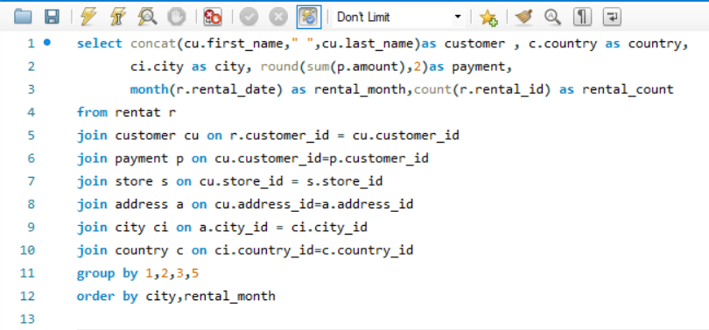

 | Output:

customer | city | country | rental_month | rental_count | payment
JULIE SANCHEZ | A CoruÃ±a (La CoruÃ±a) | Spain | 2 | 29 | 107.71
PEGGY MYERS | Abha | Saudi Arabia | 2 | 24 | 96.76
TOM MILNER | Abu Dhabi | United Arab Emirates | 2 | 32 | 107.68
LARRY THRASHER | Adana | Turkey | 2 | 26 | 112.74
ZACHARY HITE | Akron | United States | 2 | 31 | 146.69
TRAVIS ESTEP | al-Qatif | Saudi Arabia | 2 | 25 | 110.75
ANNA HILL | Alessandria | Italy | 2 | 21 | 91.79
ANNETTE OLSON | Allappuzha (Alleppey) | India | 2 | 48 | 197.52
WILLIE MARKHAM | Almirante Brown | Argentina | 2 | 25 | 101.75
TAMARA NGUYEN | AnÃ¡polis | Brazil | 2 | 25 | 93.75
NATALIE MEYER | Aparecida de GoiÃ¢nia | Brazil | 2 | 46 | 191.54
JEANNE LAWSON | Ashgabat | Turkmenistan | 2 | 27 | 136.73
SCOTT SHELLEY | Aurora | United States | 2 | 25 | 94.75
CHARLIE BESS | Baiyin | China | 2 | 26 | 120.74
BRANDON HUEY | Balikesir | Turkey | 2 | 37 | 152.63
LUCY WHEELER | Balurghat | India | 2 | 52 | 183.48
ALBERT CROUSE | Bamenda | Cameroon | 2 | 23 | 99.77
LOIS BUTLER | Bandar Seri Begawan | Brunei | 2 | 35 | 113.65
KENNETH GOODEN | Bat Yam | Israel | 2 | 17 | 84.83
MARIO CHEATHAM | Batna | Algeria | 2 | 28 | 112.72
ELMER NOE | Battambang | Cambodia | 2 | 52 | 197.48
MELANIE ARMSTRONG | Bayugan | Philippines | 2 | 25 | 92.75
JUDY GRAY | BÃ©char | Algeria | 2 | 25 | 96.75
SONIA GREGORY | Benin City | Nigeria | 2 | 56 | 253.44
GAIL KNIGHT | Bern | Switzerland | 2 | 50 | 219.5
HELEN HARRIS | Bhopal | India | 2 | 64 | 269.36
NORMA GONZALES | Bislig | Philippines | 2 | 21 | 79.79
CARMEN OWENS | Caracas | Venezuela | 2 | 26 | 97.74
CRAIG MORRELL | Cavite | Philippines | 2 | 30 | 124.7
TAMMY SANDERS | Changhwa | Taiwan | 2 | 123 | 466.77
BEVERLY BROOKS | Chiayi | Taiwan | 2 | 24 | 97.76
NORMAN CURRIER | Cianjur | Indonesia | 2 | 26 | 80.74
BETTY WHITE | Citrus Heights | United States | 2 | 28 | 117.72
JUDITH COX | Daxian | China | 2 | 33 | 100.67
BERNARD COLBY | Dhule (Dhulia) | India | 2 | 22 | 88.78
SYLVIA ORTIZ | Dos Quebradas | Colombia | 2 | 32 | 143.68
GRACE ELLIS | Duisburg | Germany | 2 | 33 | 139.67
APRIL BURNS | Dundee | United Kingdom | 2 | 26 | 94.74
DUSTIN GILLETTE | Emmen | Netherlands | 2 | 26 | 100.74
MIGUEL BETANCOURT | Erlangen | Germany | 2 | 58 | 271.42
CHRISTINE ROBERTS | Faaa | French Polynesia | 2 | 48 | 199.52
LAURIE LAWRENCE | Firozabad | India | 2 | 23 | 99.77
STACEY MONTGOMERY | Fuyu | China | 2 | 34 | 151.66
DERRICK BOURQUE | Gatineau | Canada | 2 | 22 | 95.78
CHRIS BROTHERS | GijÃ³n | Spain | 2 | 22 | 84.78
BETH FRANKLIN | Haiphong | Vietnam | 2 | 25 | 103.75
HOLLY FOX | Haldia | India | 2 | 31 | 114.69
VICKIE BREWER | Halle/Saale | Germany | 2 | 31 | 120.69
GWENDOLYN MAY | Higashiosaka | Japan | 2 | 25 | 98.75
ALLEN BUTTERFIELD | Hoshiarpur | India | 2 | 21 | 85.79
TRACY COLE | Huixquilucan | Mexico | 2 | 30 | 132.7
MARILYN ROSS | Ife | Nigeria | 2 | 30 | 137.7
JOE GILLILAND | Imus | Philippines | 2 | 29 | 138.71
MILDRED BAILEY | Jaipur | India | 2 | 50 | 197.5
CLAUDIA FULLER | Jalib al-Shuyukh | Kuwait | 2 | 26 | 111.74
ROBIN HAYES | Jelets | Russian Federation | 2 | 24 | 102.76
REGINA BERRY | Jinchang | China | 2 | 34 | 135.66
...

Q-6
Problem Statement:How does customer loyalty impact sales revenue over time?

Solution: Sql Query:
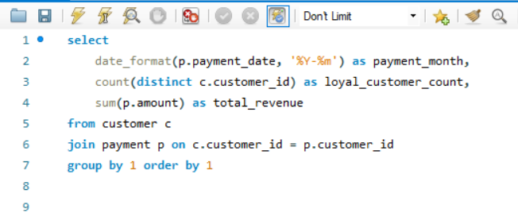

 |  |  |  | Insights:

 |  |  | This Output shows that how customer loyalty impact Revenue over time, in which 7th & 8th are peak month having highest count of loyal customers which generates highest revenue in that month.Customer loyalty plays a vital role in long-term revenue generation. Loyal customers tend to make more frequent and higher-value transactions over time, contributing significantly to the store's sustainable financial success.

Output:

payment_month | loyal_customer_count | total_revenue
2005-05 | 455 | 4239.83
2005-06 | 512 | 8438.63
2005-07 | 521 | 24618.63
2005-08 | 520 | 21092.2
2006-02 | 134 | 442.44

Q-7
Problem Statements: Are certain film categories more popular in specific locations?
 |  |  | VISULIZATION: |  | Insights:

Solution: SQL-Query |  |  |  | The shows that film category preferences vary across different locations.Here Action & Sport category films are most popular categories. This chart helps to understanding the popularity of specific film categories in different locations allows for more targeted marketing and inventory management strategies, potentially boosting customer satisfaction and overall rental revenue
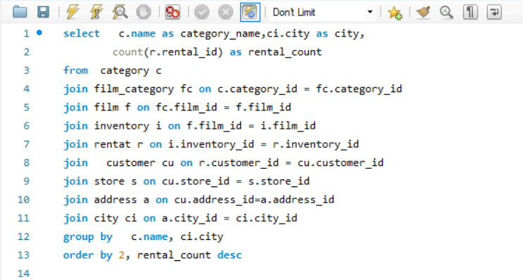
 | rental_count
Â´s-Hertogenbosch | 1
A CoruÃ±a (La CoruÃ±a) | 1
Abha | 1
Abu Dhabi | 4
AcuÃ±a | 2
Adana | 3
Aden | 4
Adoni | 1
Ãguas Lindas de GoiÃ¡s | 1
Ahmadnagar | 2
Akishima | 2
al-Ayn | 1
al-Manama | 4
Angra dos Reis | 3
Antofagasta | 4
Aparecida de GoiÃ¢nia | 1
Apeldoorn | 2
AraÃ§atuba | 2
Arak | 2
Arecibo | 3
Arlington | 2
Ashdod | 4
Ashgabat | 2
Ashqelon | 3
AsunciÃ³n | 1
Athenai | 4
Atlixco | 2
AtÅ¡insk | 2
Aurora | 5
Avellaneda | 6
BagÃ© | 2
BahÃ­a Blanca | 5
Baicheng | 2
Baiyin | 4
BalaÅ¡iha | 2
Balikesir | 3
Balurghat | 1
Bamenda | 1
Bandar Seri Begawan | 2
Banjul | 3
Barcelona | 1
Basel | 1
Bat Yam | 1
Batman | 5
Batna | 2
Battambang | 1
Baybay | 4
Bayugan | 2
BÃ©char | 1
Beira | 1
...

Output:

category_name | city | rental_count
Action | Â´s-Hertogenbosch | 1
Action | A CoruÃ±a (La CoruÃ±a) | 1
Action | Abha | 1
Action | Abu Dhabi | 4
Action | AcuÃ±a | 2
Action | Adana | 3
Action | Aden | 4
Action | Adoni | 1
Action | Ãguas Lindas de GoiÃ¡s | 1
Action | Ahmadnagar | 2
Action | Akishima | 2
Action | al-Ayn | 1
Action | al-Manama | 4
Action | Angra dos Reis | 3
Action | Antofagasta | 4
Action | Aparecida de GoiÃ¢nia | 1
Action | Apeldoorn | 2
Action | AraÃ§atuba | 2
Action | Arak | 2
Action | Arecibo | 3
Action | Arlington | 2
Action | Ashdod | 4
Action | Ashgabat | 2
Action | Ashqelon | 3
Action | AsunciÃ³n | 1
Action | Athenai | 4
Action | Atlixco | 2
Action | AtÅ¡insk | 2
Action | Aurora | 5
Action | Avellaneda | 6
Action | BagÃ© | 2
Action | BahÃ­a Blanca | 5
Action | Baicheng | 2
Action | Baiyin | 4
Action | BalaÅ¡iha | 2
Action | Balikesir | 3
Action | Balurghat | 1
Action | Bamenda | 1
Action | Bandar Seri Begawan | 2
Action | Banjul | 3
Action | Barcelona | 1
Action | Basel | 1
Action | Bat Yam | 1
Action | Batman | 5
Action | Batna | 2
Action | Battambang | 1
Action | Baybay | 4
Action | Bayugan | 2
Action | BÃ©char | 1
Action | Beira | 1
Action | BelÃ©m | 1
Action | Bellevue | 1
Action | Benguela | 2
Action | Beni-Mellal | 1
Action | Benin City | 4
Action | Bergamo | 3
Action | Berhampore (Baharampur) | 2
Action | Bern | 1
Action | Bhavnagar | 1
Action | Bhilwara | 6
Action | Bhimavaram | 1
Action | Bhopal | 1
Action | Bijapur | 3
Action | Bilbays | 3
Action | Binzhou | 1
Action | Birgunj | 1
Action | Bislig | 1
Action | Blumenau | 1
Action | Boksburg | 3
Action | Botosani | 4
Action | Bradford | 2
Action | BrasÃ­lia | 1
Action | Brescia | 4
Action | Brest | 1
Action | Brindisi | 1
Action | Brockton | 1
Action | Bucuresti | 1
Action | Buenaventura | 3
Action | Bydgoszcz | 3
Action | Cabuyao | 3
Action | Callao | 2
Action | Cam Ranh | 2
Action | Cape Coral | 2
Action | Caracas | 6
Action | Cavite | 3
Action | Cayenne | 3
Action | Celaya | 1
Action | Chandrapur | 3
Action | Changhwa | 4
Action | Changzhou | 1
Action | Charlotte Amalie | 1
Action | Chatsworth | 2
Action | Cheju | 1
Action | Chiayi | 1
Action | Chungho | 1
Action | Cianjur | 1
Action | Ciomas | 3
Action | Ciparay | 2
Action | Citrus Heights | 3
Action | CittÃ del Vaticano | 3
Action | Ciudad del Este | 1
Action | Clarksville | 1
Action | Coacalco de BerriozÃ¡bal | 1
Action | Coatzacoalcos | 2
Action | Compton | 1
Action | Coquimbo | 2
Action | CÃ³rdoba | 2
Action | CuauhtÃ©moc | 1
Action | Cuautla | 7
Action | Cuernavaca | 1
Action | CumanÃ¡ | 1
Action | Czestochowa | 2
Action | Dadu | 3
Action | Dallas | 1
Action | Datong | 4
Action | Daugavpils | 3
Action | Davao | 1
Action | Daxian | 1
Action | Dayton | 5
...

Q-9
Problem Statement:How does the proximity of stores to customers impact rental frequency?
 |  |  |  |  | Visualization: | INSIGHTS:
SQL-Query:
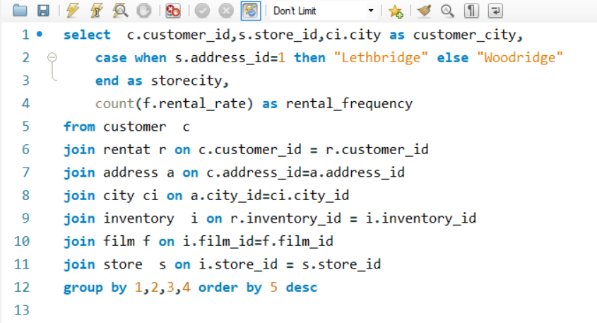
 | rental_frequency
Nuuk | 25
Tanza | 25
Apeldoorn | 23
Avellaneda | 23
Lapu-Lapu | 22
Hohhot | 22
Boksburg | 22
Changzhou | 22
Satna | 22
Bijapur | 21
Tanauan | 21
Saint-Denis | 21
Cape Coral | 21
Salamanca | 21
Santa Brbara dOeste | 21
Shubra al-Khayma | 21
Duisburg | 20
Ciomas | 20
Batna | 20
Liaocheng | 20
Aden | 20
Dos Quebradas | 20
Richmond Hill | 20
Tangail | 20
Sasebo | 20
Lengshuijiang | 19
Cabuyao | 19
Kitwe | 19
Fontana | 19
Miraj | 19
Lima | 19
Liepaja | 19
Hsichuh | 19
Iwatsuki | 19
Zhoushan | 19
South Hill | 19
Valparai | 19
Nantou | 18
AraÃ§atuba | 18
Kamarhati | 18
Fuyu | 18
Izumisano | 18
Adana | 18
Batman | 18
Kragujevac | 18
Changhwa | 18
Blumenau | 18
Jamalpur | 18
AnÃ¡polis | 18
Benin City | 18
...
 |  |  |  |  |  | The charts shows how does proximity of store to customer impact rental frequency. we are having only two Stores in store table which are located in Locations "Lethbridge" and "Woodridget". The geographical proximity of stores appears to play a significant role in rental frequency. The above chart demonstrates that customers closer to the store locations are more active in renting, potentially due to convenience or ease of access

OUTPUT:

customer_id | store_id | customer_city | storecity | rental_frequency
207 | 1 | Nuuk | Lethbridge | 25
236 | 1 | Tanza | Lethbridge | 25
137 | 1 | Apeldoorn | Lethbridge | 23
560 | 1 | Avellaneda | Lethbridge | 23
244 | 1 | Lapu-Lapu | Lethbridge | 22
138 | 1 | Hohhot | Lethbridge | 22
125 | 1 | Boksburg | Lethbridge | 22
197 | 1 | Changzhou | Lethbridge | 22
356 | 1 | Satna | Lethbridge | 22
468 | 1 | Bijapur | Lethbridge | 21
373 | 1 | Tanauan | Lethbridge | 21
148 | 1 | Saint-Denis | Lethbridge | 21
526 | 1 | Cape Coral | Lethbridge | 21
273 | 1 | Salamanca | Lethbridge | 21
178 | 1 | Santa Brbara dOeste | Lethbridge | 21
119 | 1 | Shubra al-Khayma | Lethbridge | 21
114 | 1 | Duisburg | Lethbridge | 20
239 | 1 | Ciomas | Lethbridge | 20
441 | 1 | Batna | Lethbridge | 20
129 | 1 | Liaocheng | Lethbridge | 20
210 | 1 | Aden | Lethbridge | 20
120 | 1 | Dos Quebradas | Lethbridge | 20
410 | 1 | Richmond Hill | Lethbridge | 20
21 | 1 | Tangail | Lethbridge | 20
1 | 1 | Sasebo | Lethbridge | 20
267 | 1 | Lengshuijiang | Lethbridge | 19
371 | 1 | Cabuyao | Lethbridge | 19
438 | 1 | Kitwe | Lethbridge | 19
51 | 1 | Fontana | Lethbridge | 19
316 | 1 | Miraj | Lethbridge | 19
122 | 1 | Lima | Lethbridge | 19
23 | 1 | Liepaja | Lethbridge | 19
348 | 1 | Hsichuh | Lethbridge | 19
396 | 1 | Iwatsuki | Lethbridge | 19
550 | 1 | Zhoushan | Lethbridge | 19
381 | 1 | South Hill | Lethbridge | 19
403 | 1 | Valparai | Lethbridge | 19
5 | 1 | Nantou | Lethbridge | 18
77 | 1 | AraÃ§atuba | Lethbridge | 18
31 | 1 | Kamarhati | Lethbridge | 18
211 | 1 | Fuyu | Lethbridge | 18
391 | 1 | Izumisano | Lethbridge | 18
327 | 1 | Adana | Lethbridge | 18
172 | 1 | Batman | Lethbridge | 18
7 | 1 | Kragujevac | Lethbridge | 18
75 | 1 | Changhwa | Lethbridge | 18
206 | 1 | Blumenau | Lethbridge | 18
329 | 1 | Jamalpur | Lethbridge | 18
229 | 1 | AnÃ¡polis | Lethbridge | 18
284 | 1 | Benin City | Lethbridge | 18
293 | 1 | Donostia-San SebastiÃ¡n | Lethbridge | 18
459 | 1 | Qomsheh | Lethbridge | 18
502 | 1 | Siliguri (Shiliguri) | Lethbridge | 18
506 | 1 | Pontianak | Lethbridge | 18
385 | 1 | Tama | Lethbridge | 18
426 | 1 | Purnea (Purnia) | Lethbridge | 18
16 | 1 | Southend-on-Sea | Lethbridge | 18
176 | 1 | Skikda | Lethbridge | 18
254 | 1 | PoÃ§os de Caldas | Lethbridge | 18
334 | 1 | Sumqayit | Lethbridge | 18
146 | 1 | Sterling Heights | Lethbridge | 18
444 | 1 | Tartu | Lethbridge | 18
462 | 1 | Usolje-Sibirskoje | Lethbridge | 18
303 | 1 | Sanaa | Lethbridge | 18
282 | 1 | Ponce | Lethbridge | 18
596 | 1 | Patras | Lethbridge | 18
204 | 1 | Usak | Lethbridge | 18
30 | 1 | Lungtan | Lethbridge | 17
14 | 1 | Citrus Heights | Lethbridge | 17
141 | 1 | Fukuyama | Lethbridge | 17
49 | 1 | Jedda | Lethbridge | 17
208 | 1 | Balurghat | Lethbridge | 17
256 | 1 | Monywa | Lethbridge | 17
237 | 1 | Naju | Lethbridge | 17
296 | 1 | Patiala | Lethbridge | 17
447 | 1 | Nabereznyje TÅ¡elny | Lethbridge | 17
3 | 1 | Athenai | Lethbridge | 17
470 | 1 | Hodeida | Lethbridge | 17
38 | 1 | Chisinau | Lethbridge | 17
179 | 1 | Kirovo-TÅ¡epetsk | Lethbridge | 17
163 | 1 | Kakamigahara | Lethbridge | 17
452 | 1 | Abu Dhabi | Lethbridge | 17
368 | 1 | Najafabad | Lethbridge | 17
469 | 1 | Ourense (Orense) | Lethbridge | 17
151 | 1 | Laiwu | Lethbridge | 17
338 | 1 | Paarl | Lethbridge | 17
158 | 1 | Greensboro | Lethbridge | 17
406 | 1 | Charlotte Amalie | Lethbridge | 17
64 | 1 | Daxian | Lethbridge | 17
268 | 1 | Palghat (Palakkad) | Lethbridge | 17
386 | 1 | Kamjanets-Podilskyi | Lethbridge | 17
144 | 1 | MolodetÅ¡no | Lethbridge | 17
277 | 1 | Ogbomosho | Lethbridge | 17
340 | 1 | Hanoi | Lethbridge | 17
103 | 1 | Ilorin | Lethbridge | 17
372 | 1 | Probolinggo | Lethbridge | 17
566 | 1 | Tokat | Lethbridge | 17
559 | 1 | Bilbays | Lethbridge | 17
595 | 1 | Jinzhou | Lethbridge | 17
529 | 1 | Bhimavaram | Lethbridge | 17
29 | 1 | Shimonoseki | Lethbridge | 17
520 | 1 | Nha Trang | Lethbridge | 17
241 | 1 | XiÂ´angfan | Lethbridge | 17
86 | 1 | Songkhla | Lethbridge | 17
361 | 1 | YaoundÃ© | Lethbridge | 17
425 | 1 | San Juan Bautista Tuxtepec | Lethbridge | 17
446 | 1 | Uluberia | Lethbridge | 17
418 | 1 | San Felipe de Puerto Plata | Lethbridge | 17
259 | 1 | Halisahar | Lethbridge | 16
66 | 1 | MalmÃ¶ | Lethbridge | 16
42 | 1 | Pak Kret | Lethbridge | 16
434 | 1 | Ozamis | Lethbridge | 16
230 | 1 | Botosani | Lethbridge | 16
115 | 1 | NezahualcÃ³yotl | Lethbridge | 16
408 | 1 | Jaffna | Lethbridge | 16
112 | 1 | Lancaster | Lethbridge | 16
60 | 1 | Jaipur | Lethbridge | 16
20 | 1 | Mardan | Lethbridge | 16
102 | 1 | Ashdod | Lethbridge | 16
274 | 1 | Karnal | Lethbridge | 16
46 | 1 | Moscow | Lethbridge | 16
295 | 1 | Kolpino | Lethbridge | 16
397 | 1 | AtÅ¡insk | Lethbridge | 16
198 | 1 | Ikerre | Lethbridge | 16
366 | 1 | Balikesir | Lethbridge | 16
362 | 1 | BelÃ©m | Lethbridge | 16
332 | 1 | Dhaka | Lethbridge | 16
300 | 1 | Parbhani | Lethbridge | 16
323 | 1 | Cuautla | Lethbridge | 16
28 | 1 | Munger (Monghyr) | Lethbridge | 16
121 | 1 | Etawah | Lethbridge | 16
113 | 1 | CumanÃ¡ | Lethbridge | 16
439 | 1 | Bergamo | Lethbridge | 16
388 | 1 | Cavite | Lethbridge | 16
200 | 1 | Ashgabat | Lethbridge | 16
508 | 1 | Vijayawada | Lethbridge | 16
424 | 1 | Shanwei | Lethbridge | 16
522 | 1 | Santa Rosa | Lethbridge | 16
219 | 1 | Vicente LÃ³pez | Lethbridge | 16
456 | 1 | Ziguinchor | Lethbridge | 16
339 | 1 | Xinxiang | Lethbridge | 16
35 | 1 | Toulouse | Lethbridge | 16
306 | 1 | Sungai Petani | Lethbridge | 16
380 | 1 | Tychy | Lethbridge | 16
407 | 1 | Rustenburg | Lethbridge | 16
336 | 1 | Rampur | Lethbridge | 16
490 | 1 | Sogamoso | Lethbridge | 16
494 | 1 | RÃ­obamba | Lethbridge | 16
532 | 1 | Cam Ranh | Lethbridge | 16
276 | 1 | Warren | Lethbridge | 16
579 | 1 | Mosul | Lethbridge | 16
2 | 1 | San Bernardino | Lethbridge | 16
538 | 1 | Baicheng | Lethbridge | 16
220 | 1 | Zanzibar | Lethbridge | 16
389 | 1 | Emeishan | Lethbridge | 15
487 | 1 | Pjatigorsk | Lethbridge | 15
90 | 1 | Meixian | Lethbridge | 15
298 | 1 | Oulu | Lethbridge | 15
304 | 1 | Callao | Lethbridge | 15
491 | 1 | Mit Ghamr | Lethbridge | 15
257 | 1 | Beira | Lethbridge | 15
152 | 1 | Nagaon | Lethbridge | 15
128 | 1 | Jastrzebie-ZdrÃ³j | Lethbridge | 15
341 | 1 | Ede | Lethbridge | 15
278 | 1 | InegÃ¶l | Lethbridge | 15
216 | 1 | Aparecida de GoiÃ¢nia | Lethbridge | 15
283 | 1 | Korla | Lethbridge | 15
58 | 1 | Kuching | Lethbridge | 15
253 | 1 | Miyakonojo | Lethbridge | 15
175 | 1 | Allappuzha (Alleppey) | Lethbridge | 15
181 | 1 | Memphis | Lethbridge | 15
91 | 1 | Bandar Seri Begawan | Lethbridge | 15
6 | 1 | Laredo | Lethbridge | 15
107 | 1 | Merlo | Lethbridge | 15
575 | 1 | Cuernavaca | Lethbridge | 15
589 | 1 | Loja | Lethbridge | 15
405 | 1 | Tandil | Lethbridge | 15
561 | 1 | Garland | Lethbridge | 15
245 | 1 | Uijongbu | Lethbridge | 15
588 | 1 | Weifang | Lethbridge | 15
314 | 1 | Sorocaba | Lethbridge | 15
573 | 1 | Zhezqazghan | Lethbridge | 15
442 | 1 | Tongliao | Lethbridge | 15
215 | 1 | Stara Zagora | Lethbridge | 15
154 | 1 | Yuncheng | Lethbridge | 15
354 | 1 | Santo AndrÃ© | Lethbridge | 15
584 | 1 | Banjul | Lethbridge | 15
518 | 1 | Sivas | Lethbridge | 15
431 | 1 | Sucre | Lethbridge | 15
157 | 1 | Pyongyang | Lethbridge | 15
331 | 1 | Santa FÃ© | Lethbridge | 15
147 | 1 | Urawa | Lethbridge | 15
534 | 1 | Amroha | Lethbridge | 15
436 | 1 | Vancouver | Lethbridge | 15
317 | 1 | TÃ³rshavn | Lethbridge | 15
72 | 1 | Taguig | Lethbridge | 15
535 | 1 | NDjamna | Lethbridge | 15
183 | 1 | LuziÃ¢nia | Lethbridge | 14
481 | 1 | Mwanza | Lethbridge | 14
80 | 1 | Ife | Lethbridge | 14
26 | 1 | CittÃ del Vaticano | Lethbridge | 14
500 | 1 | Madiun | Lethbridge | 14
289 | 1 | Kowloon and New Kowloon | Lethbridge | 14
342 | 1 | Boa Vista | Lethbridge | 14
486 | 1 | AcuÃ±a | Lethbridge | 14
264 | 1 | Higashiosaka | Lethbridge | 14
43 | 1 | Faaa | Lethbridge | 14
15 | 1 | Bhopal | Lethbridge | 14
196 | 1 | Mannheim | Lethbridge | 14
343 | 1 | Mexicali | Lethbridge | 14
495 | 1 | Baiyin | Lethbridge | 14
394 | 1 | GijÃ³n | Lethbridge | 14
45 | 1 | Antofagasta | Lethbridge | 14
435 | 1 | Junan | Lethbridge | 14
228 | 1 | Phnom Penh | Lethbridge | 14
193 | 1 | Kisumu | Lethbridge | 14
270 | 1 | Kalisz | Lethbridge | 14
168 | 1 | Jinchang | Lethbridge | 14
467 | 1 | CuauhtÃ©moc | Lethbridge | 14
427 | 1 | GuarujÃ¡ | Lethbridge | 14
40 | 1 | Nador | Lethbridge | 14
27 | 1 | Davao | Lethbridge | 14
433 | 1 | NaÃ§ala-Porto | Lethbridge | 14
85 | 1 | Bradford | Lethbridge | 14
475 | 1 | Å ostka | Lethbridge | 14
337 | 1 | Onomichi | Lethbridge | 14
422 | 1 | Laohekou | Lethbridge | 14
286 | 1 | Effon-Alaiye | Lethbridge | 14
472 | 1 | Nam Dinh | Lethbridge | 14
240 | 1 | Iwaki | Lethbridge | 14
369 | 1 | JuÃ¡rez | Lethbridge | 14
349 | 1 | Imus | Lethbridge | 14
186 | 1 | Haldia | Lethbridge | 14
173 | 1 | Graz | Lethbridge | 14
416 | 1 | Dadu | Lethbridge | 14
132 | 1 | Botshabelo | Lethbridge | 14
384 | 1 | HuaiÂ´an | Lethbridge | 14
454 | 1 | Uruapan | Lethbridge | 14
503 | 1 | Ueda | Lethbridge | 14
39 | 1 | Vila Velha | Lethbridge | 14
324 | 1 | Yuzhou | Lethbridge | 14
74 | 1 | Rio Claro | Lethbridge | 14
498 | 1 | Salala | Lethbridge | 14
516 | 1 | Battambang | Lethbridge | 14
594 | 1 | Jining | Lethbridge | 14
504 | 1 | Joliet | Lethbridge | 14
127 | 1 | Smolensk | Lethbridge | 14
450 | 1 | Surakarta | Lethbridge | 14
242 | 1 | Qinhuangdao | Lethbridge | 14
12 | 1 | Yamuna Nagar | Lethbridge | 14
184 | 1 | Â´s-Hertogenbosch | Lethbridge | 14
135 | 1 | Pune | Lethbridge | 14
374 | 1 | VitÃ³ria de Santo AntÃ£o | Lethbridge | 14
378 | 1 | Shenzhen | Lethbridge | 14
421 | 1 | Pudukkottai | Lethbridge | 14
564 | 1 | Xintai | Lethbridge | 14
582 | 1 | Huejutla de Reyes | Lethbridge | 14
569 | 1 | Leshan | Lethbridge | 14
541 | 1 | Livorno | Lethbridge | 14
231 | 1 | Uttarpara-Kotrung | Lethbridge | 14
484 | 1 | Yinchuan | Lethbridge | 14
543 | 1 | Beni-Mellal | Lethbridge | 14
302 | 1 | Tiefa | Lethbridge | 14
213 | 1 | Taizz | Lethbridge | 14
214 | 1 | Sunnyvale | Lethbridge | 14
350 | 1 | TÅ¡eboksary | Lethbridge | 14
592 | 1 | SzÃ©kesfehÃ©rvÃ¡r | Lethbridge | 14
457 | 1 | Rockford | Lethbridge | 14
497 | 1 | York | Lethbridge | 14
359 | 1 | Almirante Brown | Lethbridge | 13
116 | 1 | Pemalang | Lethbridge | 13
393 | 1 | Korolev | Lethbridge | 13
47 | 1 | Juazeiro do Norte | Lethbridge | 13
54 | 1 | Iwakuni | Lethbridge | 13
251 | 1 | Halle/Saale | Lethbridge | 13
188 | 1 | Bayugan | Lethbridge | 13
297 | 1 | Ahmadnagar | Lethbridge | 13
73 | 1 | Chiayi | Lethbridge | 13
307 | 1 | Angra dos Reis | Lethbridge | 13
395 | 1 | al-Qadarif | Lethbridge | 13
451 | 1 | El Fuerte | Lethbridge | 13
275 | 1 | Peoria | Lethbridge | 13
56 | 1 | Papeete | Lethbridge | 13
44 | 1 | Lipetsk | Lethbridge | 13
89 | 1 | La Plata | Lethbridge | 13
142 | 1 | Dundee | Lethbridge | 13
94 | 1 | Bislig | Lethbridge | 13
84 | 1 | Atlixco | Lethbridge | 13
101 | 1 | Abha | Lethbridge | 13
10 | 1 | Esfahan | Lethbridge | 13
280 | 1 | Owo | Lethbridge | 13
471 | 1 | Johannesburg | Lethbridge | 13
263 | 1 | Mandaluyong | Lethbridge | 13
265 | 1 | Olomouc | Lethbridge | 13
432 | 1 | Newcastle | Lethbridge | 13
167 | 1 | Chandrapur | Lethbridge | 13
81 | 1 | Mahajanga | Lethbridge | 13
466 | 1 | Dongying | Lethbridge | 13
480 | 1 | Gaziantep | Lethbridge | 13
364 | 1 | Guadalajara | Lethbridge | 13
71 | 1 | Baybay | Lethbridge | 13
50 | 1 | Omdurman | Lethbridge | 13
294 | 1 | Dayton | Lethbridge | 13
131 | 1 | MukatÅ¡eve | Lethbridge | 13
445 | 1 | Escobar | Lethbridge | 13
440 | 1 | Dhule (Dhulia) | Lethbridge | 13
111 | 1 | Caracas | Lethbridge | 13
36 | 1 | Arak | Lethbridge | 13
279 | 1 | Tabriz | Lethbridge | 13
507 | 1 | Eskisehir | Lethbridge | 13
62 | 1 | Saint Louis | Lethbridge | 13
320 | 1 | Tafuna | Lethbridge | 13
493 | 1 | Sultanbeyli | Lethbridge | 13
591 | 1 | Juiz de Fora | Lethbridge | 13
549 | 1 | Santiago de Compostela | Lethbridge | 13
510 | 1 | KamyÅ¡in | Lethbridge | 13
585 | 1 | Quilmes | Lethbridge | 13
335 | 1 | Sousse | Lethbridge | 13
531 | 1 | Kuwana | Lethbridge | 13
262 | 1 | Portoviejo | Lethbridge | 13
133 | 1 | TorreÃ³n | Lethbridge | 13
287 | 1 | Tambaram | Lethbridge | 13
565 | 1 | HuÃ¡nuco | Lethbridge | 13
576 | 1 | Fengshan | Lethbridge | 13
123 | 1 | Varanasi (Benares) | Lethbridge | 13
285 | 1 | Otsu | Lethbridge | 13
528 | 1 | Benguela | Lethbridge | 13
581 | 1 | JosÃ© Azueta | Lethbridge | 13
577 | 1 | Tanshui | Lethbridge | 13
57 | 1 | Vaduz | Lethbridge | 13
570 | 1 | Monclova | Lethbridge | 13
583 | 1 | Southampton | Lethbridge | 13
187 | 1 | Sumy | Lethbridge | 13
558 | 1 | Wroclaw | Lethbridge | 13
590 | 1 | al-Manama | Lethbridge | 13
411 | 1 | Cianjur | Lethbridge | 12
479 | 1 | Akron | Lethbridge | 12
313 | 1 | Ezhou | Lethbridge | 12
18 | 1 | Kaduna | Lethbridge | 12
160 | 1 | Ljubertsy | Lethbridge | 12
155 | 1 | Bern | Lethbridge | 12
224 | 1 | Jodhpur | Lethbridge | 12
310 | 1 | IbiritÃ© | Lethbridge | 12
32 | 1 | Jhansi | Lethbridge | 12
392 | 1 | Addis Abeba | Lethbridge | 12
235 | 1 | Buenaventura | Lethbridge | 12
346 | 1 | Maikop | Lethbridge | 12
376 | 1 | Kurgan | Lethbridge | 12
437 | 1 | La Romana | Lethbridge | 12
330 | 1 | Aurora | Lethbridge | 12
99 | 1 | Kimchon | Lethbridge | 12
402 | 1 | Brest | Lethbridge | 12
326 | 1 | Kingstown | Lethbridge | 12
271 | 1 | Kumbakonam | Lethbridge | 12
377 | 1 | Kermanshah | Lethbridge | 12
182 | 1 | Compton | Lethbridge | 12
309 | 1 | Brescia | Lethbridge | 12
322 | 1 | BahÃ­a Blanca | Lethbridge | 12
165 | 1 | Hami | Lethbridge | 12
325 | 1 | BrasÃ­lia | Lethbridge | 12
92 | 1 | GoiÃ¢nia | Lethbridge | 12
365 | 1 | Okinawa | Lethbridge | 12
501 | 1 | Lublin | Lethbridge | 12
34 | 1 | Kurashiki | Lethbridge | 12
453 | 1 | MaracaÃ­bo | Lethbridge | 12
159 | 1 | Linz | Lethbridge | 12
455 | 1 | El Alto | Lethbridge | 12
530 | 1 | Ezeiza | Lethbridge | 12
292 | 1 | Sharja | Lethbridge | 12
258 | 1 | Santiago de los Caballeros | Lethbridge | 12
161 | 1 | Tel Aviv-Jaffa | Lethbridge | 12
269 | 1 | Salinas | Lethbridge | 12
428 | 1 | Syktyvkar | Lethbridge | 12
319 | 1 | San Felipe del Progreso | Lethbridge | 12
519 | 1 | Isesaki | Lethbridge | 12
539 | 1 | Valencia | Lethbridge | 12
597 | 1 | Sullana | Lethbridge | 12
593 | 1 | Garden Grove | Lethbridge | 12
571 | 1 | Plock | Lethbridge | 12
221 | 1 | Syrakusa | Lethbridge | 12
139 | 1 | Touliu | Lethbridge | 12
572 | 1 | Czestochowa | Lethbridge | 12
83 | 1 | Springs | Lethbridge | 12
443 | 1 | SÃ£o Leopoldo | Lethbridge | 12
201 | 1 | Witten | Lethbridge | 12
291 | 1 | Roanoke | Lethbridge | 12
358 | 1 | Ranchi | Lethbridge | 12
261 | 1 | Tuguegarao | Lethbridge | 12
505 | 1 | Talavera | Lethbridge | 12
537 | 1 | Aurora | Lethbridge | 12
126 | 1 | PoÃ¡ | Lethbridge | 12
351 | 1 | Zeleznogorsk | Lethbridge | 12
87 | 1 | Sincelejo | Lethbridge | 12
514 | 1 | Zaoyang | Lethbridge | 12
523 | 1 | Vinh | Lethbridge | 12
465 | 1 | Zapopan | Lethbridge | 12
25 | 1 | Shikarpur | Lethbridge | 12
82 | 1 | Simferopol | Lethbridge | 12
548 | 1 | Tarlac | Lethbridge | 12
305 | 1 | Arlington | Lethbridge | 11
33 | 1 | Alessandria | Lethbridge | 11
79 | 1 | Kamakura | Lethbridge | 11
299 | 1 | Hiroshima | Lethbridge | 11
474 | 1 | Emmen | Lethbridge | 11
401 | 1 | Koriyama | Lethbridge | 11
13 | 1 | Osmaniye | Lethbridge | 11
476 | 1 | Gatineau | Lethbridge | 11
226 | 1 | AsunciÃ³n | Lethbridge | 11
463 | 1 | Halifax | Lethbridge | 11
344 | 1 | NukuÂ´alofa | Lethbridge | 11
360 | 1 | Arecibo | Lethbridge | 11
202 | 1 | Bhusawal | Lethbridge | 11
153 | 1 | Jakarta | Lethbridge | 11
180 | 1 | Pereira | Lethbridge | 11
383 | 1 | Namibe | Lethbridge | 11
234 | 1 | Jalib al-Shuyukh | Lethbridge | 11
430 | 1 | Dzerzinsk | Lethbridge | 11
415 | 1 | Amersfoort | Lethbridge | 11
413 | 1 | Berhampore (Baharampur) | Lethbridge | 11
212 | 1 | Bellevue | Lethbridge | 11
52 | 1 | A CoruÃ±a (La CoruÃ±a) | Lethbridge | 11
156 | 1 | Ondo | Lethbridge | 11
448 | 1 | Erlangen | Lethbridge | 11
321 | 1 | Birgunj | Lethbridge | 11
417 | 1 | al-Qatif | Lethbridge | 11
379 | 1 | Bhavnagar | Lethbridge | 11
367 | 1 | Adoni | Lethbridge | 11
375 | 1 | Mwene-Ditu | Lethbridge | 11
311 | 1 | Kursk | Lethbridge | 11
461 | 1 | Gingoog | Lethbridge | 11
136 | 1 | Hubli-Dharwad | Lethbridge | 11
8 | 1 | Hamilton | Lethbridge | 11
117 | 1 | Gandhinagar | Lethbridge | 11
189 | 1 | Oshawa | Lethbridge | 11
482 | 1 | Coatzacoalcos | Lethbridge | 11
55 | 1 | BalaÅ¡iha | Lethbridge | 11
105 | 1 | Funafuti | Lethbridge | 11
404 | 1 | Omiya | Lethbridge | 11
414 | 1 | Allende | Lethbridge | 11
525 | 1 | Udine | Lethbridge | 11
312 | 1 | Tabuk | Lethbridge | 11
266 | 1 | Salzburg | Lethbridge | 11
78 | 1 | Rae Bareli | Lethbridge | 11
217 | 1 | Sambhal | Lethbridge | 11
556 | 1 | Southport | Lethbridge | 11
288 | 1 | Valle de Santiago | Lethbridge | 11
513 | 1 | Yangor | Lethbridge | 11
545 | 1 | Konotop | Lethbridge | 11
429 | 1 | Tsuyama | Lethbridge | 11
290 | 1 | Valle de la Pascua | Lethbridge | 11
68 | 1 | Shivapuri | Lethbridge | 11
347 | 1 | Daugavpils | Lethbridge | 11
41 | 1 | Yerevan | Lethbridge | 11
170 | 1 | Udaipur | Lethbridge | 11
232 | 1 | Zaria | Lethbridge | 11
587 | 1 | Celaya | Lethbridge | 11
227 | 1 | SaarbrÃ¼cken | Lethbridge | 11
598 | 1 | Lausanne | Lethbridge | 11
134 | 1 | Qalyub | Lethbridge | 11
544 | 1 | SÃ£o Bernardo do Campo | Lethbridge | 11
496 | 1 | Rizhao | Lethbridge | 11
195 | 1 | Siegen | Lethbridge | 11
511 | 1 | Suihua | Lethbridge | 11
67 | 1 | XiÂ´angtan | Lethbridge | 11
512 | 1 | London | Lethbridge | 11
458 | 1 | Tegal | Lethbridge | 11
370 | 1 | Gulbarga | Lethbridge | 10
409 | 1 | Deba Habe | Lethbridge | 10
70 | 1 | al-Hawiya | Lethbridge | 10
171 | 1 | Ipoh | Lethbridge | 10
59 | 1 | Mysore | Lethbridge | 10
63 | 1 | Lincoln | Lethbridge | 10
130 | 1 | Ãguas Lindas de GoiÃ¡s | Lethbridge | 10
399 | 1 | Okara | Lethbridge | 10
106 | 1 | Ivanovo | Lethbridge | 10
218 | 1 | Kabul | Lethbridge | 10
315 | 1 | Bat Yam | Lethbridge | 10
192 | 1 | Firozabad | Lethbridge | 10
400 | 1 | Dallas | Lethbridge | 10
328 | 1 | Ciparay | Lethbridge | 10
382 | 1 | Manchester | Lethbridge | 10
357 | 1 | Bratislava | Lethbridge | 10
37 | 1 | Nanyang | Lethbridge | 10
76 | 1 | Pavlodar | Lethbridge | 10
169 | 1 | Pingxiang | Lethbridge | 10
149 | 1 | Brockton | Lethbridge | 10
48 | 1 | Niznekamsk | Lethbridge | 10
24 | 1 | CÃ³rdoba | Lethbridge | 10
308 | 1 | Kansas City | Lethbridge | 10
333 | 1 | Baku | Lethbridge | 10
246 | 1 | MaringÃ¡ | Lethbridge | 10
109 | 1 | Klerksdorp | Lethbridge | 10
250 | 1 | Oyo | Lethbridge | 10
363 | 1 | Nyeri | Lethbridge | 10
260 | 1 | Datong | Lethbridge | 10
199 | 1 | Haiphong | Lethbridge | 10
255 | 1 | Hagonoy | Lethbridge | 10
499 | 1 | Brindisi | Lethbridge | 10
551 | 1 | Alvorada | Lethbridge | 10
248 | 1 | Tallahassee | Lethbridge | 10
420 | 1 | El Monte | Lethbridge | 10
554 | 1 | Rajkot | Lethbridge | 10
95 | 1 | Pathankot | Lethbridge | 10
553 | 1 | Novi Sad | Lethbridge | 10
586 | 1 | Tsaotun | Lethbridge | 10
546 | 1 | Sanya | Lethbridge | 10
464 | 1 | Rancagua | Lethbridge | 10
145 | 1 | Soshanguve | Lethbridge | 10
533 | 1 | Binzhou | Lethbridge | 10
423 | 1 | Sawhaj | Lethbridge | 10
517 | 1 | Chungho | Lethbridge | 10
567 | 1 | Serpuhov | Lethbridge | 10
555 | 1 | Chatsworth | Lethbridge | 10
580 | 1 | Iligan | Lethbridge | 10
557 | 1 | Vilnius | Lethbridge | 10
527 | 1 | Mogiljov | Lethbridge | 10
190 | 1 | Tabora | Lethbridge | 10
485 | 1 | Shaoguan | Lethbridge | 10
390 | 1 | Nakhon Sawan | Lethbridge | 10
93 | 1 | Zalantun | Lethbridge | 10
209 | 1 | Bhilwara | Lethbridge | 9
225 | 1 | Ambattur | Lethbridge | 9
478 | 1 | Ashqelon | Lethbridge | 9
19 | 1 | Kimberley | Lethbridge | 9
355 | 1 | Matsue | Lethbridge | 9
...

Q-10
Problem Statement: Do specific film categories attract different age groups of customers?

 |  |  |  | INSIGHTS:
Solution: SQL-Query
 |  |  | The query output illustrates that specific film categories, such as "Sports," "Animation," and "Action," have a strong appeal to customers in the age group of 17. This suggests a clear alignment between certain film genres and the preferences of younger audiences. Understanding the connection between film categories and customer age groups is pivotal for tailoring marketing strategies and content selection. It enables the rental store to effectively engage and retain customers within this age category through targeted promotions and film recommendations. While these categories resonate well with customers aged 17, there is room for exploring strategies to attract customers from other age groups. A diverse content selection that caters to a wide range of preferences can contribute to broader customer engagement and revenue growth.
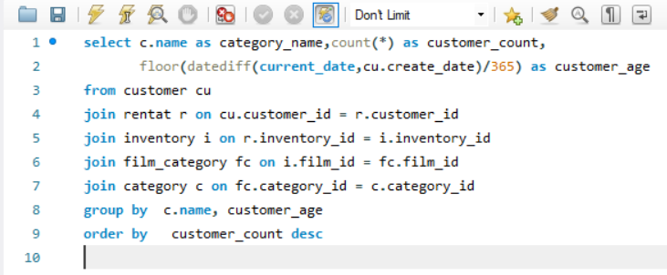

OUTPUT:
category_name | customer_count | customer_age
Sports | 1179 | 17
Animation | 1166 | 17
Action | 1112 | 17
Sci-Fi | 1101 | 17
Family | 1096 | 17
Drama | 1060 | 17
Documentary | 1050 | 17
Foreign | 1033 | 17
Games | 969 | 17
Children | 945 | 17
Comedy | 941 | 17
New | 940 | 17
...

Q-11
Problem Statement:What are the demographics and preferences of the highest-spending customers? |  |  |  |  |  | VISUALIZATION: |  | Insights:
 | total_spent
LOUIS LEONE | 323.3
MARIA MILLER | 303.34
STACEY MONTGOMERY | 303.32
ALMA AUSTIN | 303.3
RUSSELL BRINSON | 273.28
RAYMOND MCWHORTER | 271.4
TERESA ROGERS | 257.42
ANGEL BARCLAY | 231.36
TRAVIS ESTEP | 221.5
KATIE ELLIOTT | 219.5
CHESTER BENNER | 199.52
CLARA SHAW | 195.58
CLARA SHAW | 195.58
MARION SNYDER | 194.61
MARION SNYDER | 194.61
MARION SNYDER | 194.61
MARION SNYDER | 194.61
RHONDA KENNEDY | 194.61
RHONDA KENNEDY | 194.61
RHONDA KENNEDY | 194.61
DERRICK BOURQUE | 191.56
WESLEY BULL | 177.6
WESLEY BULL | 177.6
TIM CARY | 175.61
TIM CARY | 175.61
TIM CARY | 175.61
TIM CARY | 175.61
TIM CARY | 175.61
TIM CARY | 175.61
TIM CARY | 175.61
MARCIA DEAN | 175.58
MARCIA DEAN | 175.58
MARCIA DEAN | 175.58
MARCIA DEAN | 175.58
ANA BRADLEY | 174.66
JUNE CARROLL | 173.63
JUNE CARROLL | 173.63
JUNE CARROLL | 173.63
JUNE CARROLL | 173.63
JUNE CARROLL | 173.63
DIANE COLLINS | 169.65
DIANE COLLINS | 169.65
LENA JENSEN | 168.68
LENA JENSEN | 168.68
CURTIS IRBY | 167.62
CURTIS IRBY | 167.62
MIKE WAY | 166.65
DAISY BATES | 162.62
DAISY BATES | 162.62
DAISY BATES | 162.62
...
 |  |  |  |  |  |  | The output shows demographics and preferencens of highest spending customers, that is which film category they preffered most.This chart helps us to see what category-film is most in demand and where should we need to work out for targeting customers.
Solution: SQL-Query:
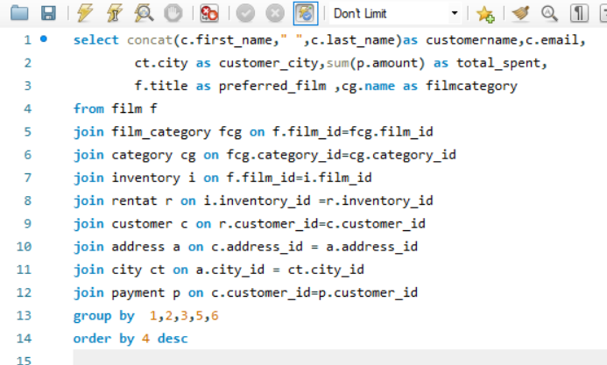

OUTPUT:

customername | email | customer_city | total_spent | preferred_film | filmcategory
...

Q-12
Problem Statement: How does the availability of inventory impact customer satisfaction and repeat business?

Solution: SQL-QUERY: |  |  |  | INSIGHTS:
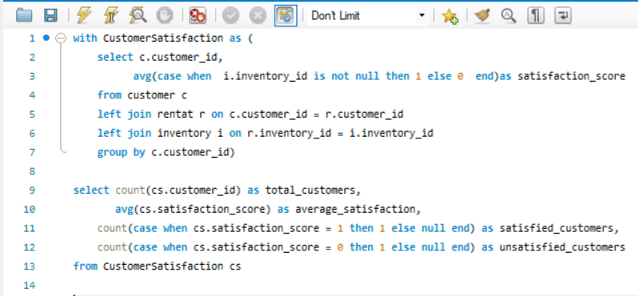
 |  |  |  | The output shows that all customers are statisfied with availability of inventory , which meanse they are consitently doing repeate business as they are statisfied with our service.

OUTPUT:
total_customers | average_satisfaction | satisfied_customers | unsatisfied_customers
599 | 1 | 599 | 0

Q-13
Problem Statement: What are the busiest hours or days for each store location, and how does it impact staffing requirements?
 |  |  |  |  |  |  |  | Visualization: |  | Insights:
 | day_of_week | hour_of_day
 | 3 | 23
 | 3 | 23
 | 4 | 23
 | 4 | 23
 | 5 | 23
 | 6 | 23
 | 6 | 23
 | 7 | 23
 | 1 | 23
 | 2 | 23
 | 5 | 23
 | 7 | 23
 | 1 | 23
 | 2 | 23
 | 3 | 22
 | 3 | 22
 | 4 | 22
 | 5 | 22
 | 5 | 22
 | 6 | 22
 | 6 | 22
 | 7 | 22
 | 7 | 22
 | 1 | 22
 | 2 | 22
 | 2 | 22
 | 4 | 22
 | 1 | 22
 | 4 | 21
 | 4 | 21
 | 5 | 21
 | 5 | 21
 | 6 | 21
 | 6 | 21
 | 7 | 21
 | 1 | 21
 | 1 | 21
 | 2 | 21
 | 2 | 21
 | 3 | 21
 | 3 | 21
 | 7 | 21
 | 4 | 20
 | 5 | 20
 | 5 | 20
 | 6 | 20
 | 6 | 20
 | 7 | 20
 | 7 | 20
 | 1 | 20
...
SOLUTION:Sql-Query |  |  |  |  |  |  |  |  | This chart shows how store location impact busiest hours or days for each store location. There are only two stores in our dataset located at Woodridge and Lethbridge, and by adjusting them by slicer we can see busiest hours and days for each stores. And can suggest to recuirt more members in the busiest working days, and also at busiest hours.
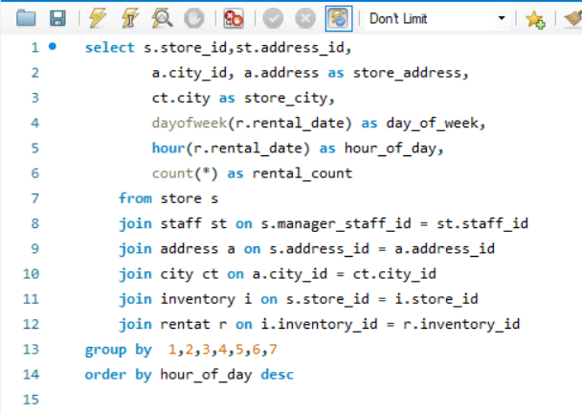

OUTPUT:
store_id | address_id | city_id | store_address | store_city | day_of_week | hour_of_day | rental_count
2 | 4 | 576 | 28 MySQL Boulevard | Woodridge | 3 | 23 | 43
1 | 3 | 300 | 47 MySakila Drive | Lethbridge | 3 | 23 | 45
1 | 3 | 300 | 47 MySakila Drive | Lethbridge | 4 | 23 | 43
2 | 4 | 576 | 28 MySQL Boulevard | Woodridge | 4 | 23 | 50
1 | 3 | 300 | 47 MySakila Drive | Lethbridge | 5 | 23 | 52
1 | 3 | 300 | 47 MySakila Drive | Lethbridge | 6 | 23 | 47
2 | 4 | 576 | 28 MySQL Boulevard | Woodridge | 6 | 23 | 41
1 | 3 | 300 | 47 MySakila Drive | Lethbridge | 7 | 23 | 50
...

Q-16
 | expected_duration_in_days
CHARLOTTE HUNTER | 7
TOMMY COLLAZO | 7
MANUEL MURRELL | 7
ANDREW PURDY | 6
DELORES HANSEN | 5
NELSON CHRISTENSON | 5
CASSANDRA WALTERS | 4
MINNIE ROMERO | 6
ELLEN SIMPSON | 6
DANNY ISOM | 5
APRIL BURNS | 4
DEANNA BYRD | 7
RAYMOND MCWHORTER | 3
THEODORE CULP | 6
RONALD WEINER | 4
STEVEN CURLEY | 6
ISAAC OGLESBY | 7
RUTH MARTINEZ | 7
RONNIE RICKETTS | 7
ROBERTA HARPER | 5
CRAIG MORRELL | 5
RAUL FORTIER | 5
BARRY LOVELACE | 4
JUAN FRALEY | 7
PAMELA BAKER | 5
BILLY POULIN | 3
ROBERT BAUGHMAN | 5
CONSTANCE REID | 5
MARIE TURNER | 6
RAY HOULE | 3
FRED WHEAT | 6
JOY GEORGE | 5
KAY CALDWELL | 6
FREDDIE DUGGAN | 6
ROBERTO VU | 5
BONNIE HUGHES | 7
JAVIER ELROD | 7
MICHAEL SILVERMAN | 5
GERTRUDE CASTILLO | 6
MARVIN YEE | 3
YVONNE WATKINS | 3
HARVEY GUAJARDO | 7
NEIL RENNER | 4
GERTRUDE CASTILLO | 4
TROY QUIGLEY | 5
MARIA MILLER | 3
VIRGINIA GREEN | 4
JENNY CASTRO | 7
GENE SANBORN | 3
CAROL GARCIA | 4
...
Problem Statement : Examine Rental duration & returning times of customers. |  |  |  |  |  |  | Visualization: |  | Insights:
 |  |  |  |  |  | Are there correlations between staff performance and customer satisfaction?

Sql-Query: |  |  |  |  |  |  |  | The area chart reveals the distribution of rental durations, indicating instances of both early and late returns by customers.Here number of duration are 3-days to 7-days ,As we see many of them return early but also many of them are late.And two of them return on time. This chart helps to analyse customer rental behavior, useful for managing inventory effectively and implementing late return policies or incentives for early returns.This data empowers the rental store to make informed decisions, balancing customer convenience with operational efficiency.
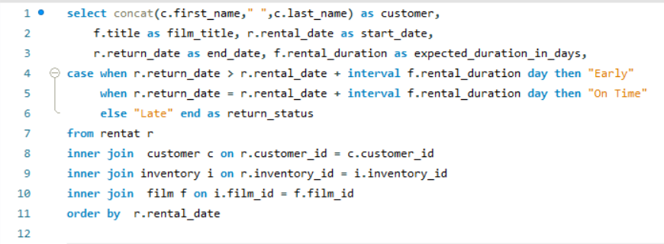

Output:

Customers | film_title | start_date | end_date | expected_duration_in_days | return_status
CHARLOTTE HUNTER | BLANKET BEVERLY | 5/24/05 | 5/26/05 | 7 | late
TOMMY COLLAZO | FREAKY POCUS | 5/24/05 | 5/28/05 | 7 | late
MANUEL MURRELL | GRADUATE LORD | 5/24/05 | 6/1/05 | 7 | early
ANDREW PURDY | LOVE SUICIDES | 5/24/05 | 6/3/05 | 6 | early
DELORES HANSEN | IDOLS SNATCHERS | 5/24/05 | 6/2/05 | 5 | early
NELSON CHRISTENSON | MYSTIC TRUMAN | 5/24/05 | 5/27/05 | 5 | late
...

Q-17
Problem Statement:How replacement costs impact the financial aspects of rental store? |  |  |  | Visualization: |  | INSIGHTS:
 | replacement_cost | total_revenue
WIFE TURN | 27.99 | 223.69
GOODFELLAS SALUTE | 22.99 | 195.71
TELEGRAPH VOYAGE | 20.99 | 191.77
ZORRO ARK | 18.99 | 190.73
HARRY IDAHO | 18.99 | 190.71
TORQUE BOUND | 27.99 | 188.74
HUSTLER PARTY | 22.99 | 185.79
TITANS JERK | 11.99 | 178.74
VELVET TERMINATOR | 14.99 | 171.75
SCORPION APOLLO | 23.99 | 168.77
DORADO NOTTING | 26.99 | 168.74
SUNRISE LEAGUE | 19.99 | 165.77
SHOW LORD | 24.99 | 165.76
SATURDAY LAMBS | 28.99 | 164.76
RANGE MOONWALKER | 25.99 | 164.75
MASSACRE USUAL | 16.99 | 164.73
ENEMY ODDS | 23.99 | 163.74
APACHE DIVINE | 16.99 | 163.72
VIDEOTAPE ARSENIC | 10.99 | 161.74
NIGHTMARE CHILL | 25.99 | 157.77
INNOCENT USUAL | 26.99 | 156.79
FOOL MOCKINGBIRD | 24.99 | 154.79
CONFIDENTIAL INTERVIEW | 13.99 | 154.73
WORKING MICROCOSMOS | 22.99 | 153.77
PELICAN COMFORTS | 17.99 | 151.78
MINDS TRUMAN | 22.99 | 149.8
STAGECOACH ARMAGEDDON | 25.99 | 149.75
DOGMA FAMILY | 16.99 | 149.74
WITCHES PANIC | 10.99 | 147.74
BOOGIE AMELIE | 11.99 | 147.73
AMERICAN CIRCUS | 17.99 | 146.8
EASY GLADIATOR | 12.99 | 143.78
ROSES TREASURE | 23.99 | 143.77
HEAD STRANGER | 28.99 | 142.79
MAIDEN HOME | 9.99 | 141.79
CAT CONEHEADS | 14.99 | 141.76
BACKLASH UNDEFEATED | 24.99 | 140.83
MOVIE SHAKESPEARE | 27.99 | 140.75
CLOSER BANG | 12.99 | 139.77
FELLOWSHIP AUTUMN | 9.99 | 139.76
BUCKET BROTHERHOOD | 27.99 | 139.74
STING PERSONAL | 9.99 | 138.81
WONDERLAND CHRISTMAS | 19.99 | 138.79
SCALAWAG DUCK | 13.99 | 138.74
PRINCESS GIANT | 29.99 | 136.76
LIES TREATMENT | 28.99 | 136.75
CONEHEADS SMOOCHY | 12.99 | 136.75
MIDSUMMER GROUNDHOG | 27.99 | 134.8
SEATTLE EXPECATIONS | 18.99 | 134.79
TRIP NEWTON | 14.99 | 134.74
...
 |  |  |  |  | This chart shows how replacement cost affect revenue of Films. Here film "WIFE TURN" has highest replacement cost & also it generate highest revenue also. The analysis of replacement costs reveals a direct impact on the rental store's profitability. Higher replacement costs can significantly affect the store's financial health, especially if customers frequently damage or lose films. To maintain financial stability, the store must strike a balance between offering a wide film selection and managing replacement costs effectively. This requires monitoring damage rates, setting appropriate replacement fees, and implementing preventive measures to reduce losses. Implementing strategies such as customer education on responsible film handling and efficient inventory tracking can help mitigate the financial impact of replacement costs, ensuring the store remains profitable
Solution: Sql-Query:
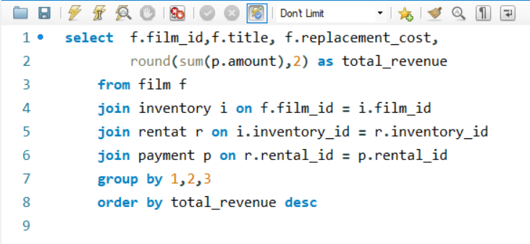

OUTPUT:

title | film_id | replacement_cost | total_revenue
WIFE TURN | 973 | 27.99 | 223.69
GOODFELLAS SALUTE | 369 | 22.99 | 195.71
TELEGRAPH VOYAGE | 879 | 20.99 | 191.77
ZORRO ARK | 1000 | 18.99 | 190.73
HARRY IDAHO | 403 | 18.99 | 190.71
TORQUE BOUND | 897 | 27.99 | 188.74
...

Q-18
Problem Statement: Identify actors who appear in the most-rented films.

 | film_appearances
GINA DEGENERES | 42
WALTER TORN | 41
MARY KEITEL | 40
MATTHEW CARREY | 39
SANDRA KILMER | 37
SCARLETT DAMON | 36
VAL BOLGER | 35
UMA WOOD | 35
ANGELA WITHERSPOON | 35
HENRY BERRY | 35
VIVIEN BASINGER | 35
GROUCHO DUNST | 35
WARREN NOLTE | 34
SIDNEY CROWE | 34
JAYNE NOLTE | 34
ANGELA HUDSON | 34
KIRSTEN AKROYD | 34
SEAN GUINESS | 33
REESE WEST | 33
RIP CRAWFORD | 33
RENEE TRACY | 33
ALBERT JOHANSSON | 33
KENNETH TORN | 33
RENEE BALL | 33
JULIA MCQUEEN | 33
EWAN GOODING | 33
KEVIN GARLAND | 33
BEN WILLIS | 33
SUSAN DAVIS | 33
CAMERON ZELLWEGER | 33
JULIANNE DENCH | 32
GRETA MALDEN | 32
REESE KILMER | 32
ED MANSFIELD | 32
WARREN JACKMAN | 32
WHOOPI HURT | 32
HARVEY HOPE | 32
CHRISTIAN AKROYD | 32
HELEN VOIGHT | 32
NATALIE HOPKINS | 32
MINNIE ZELLWEGER | 31
FAY WINSLET | 31
JADA RYDER | 31
WOODY HOFFMAN | 31
KARL BERRY | 31
WOODY JOLIE | 31
PENELOPE CRONYN | 31
JAMES PITT | 31
IAN TANDY | 31
DARYL WAHLBERG | 31
...
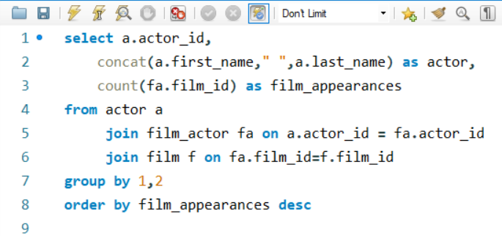
 |  |  | VISUALIZATION: |  | INSIGHTS:
Solution-Sql_Query:
 |  |  |  | The area chart shows that which actors consistently appear in the most-rented films, indicating their popularity among audiences and their impact on film rentals.Here actor "GINA DEGENERES" has highest number of Films. From this chart we can analyse Actor appearence in the most-rented films suggests a strong correlation between certain actors and the rental success of movies, highlighting the importance of casting decisions in the film industry. From this chart we are able to understand which actors are in high demand for rentals can aid film production companies in making informed casting choices to optimize the commercial success of their projects.

OUTPUT:

actor_id | actor | film_appearances
107 | GINA DEGENERES | 42
102 | WALTER TORN | 41
198 | MARY KEITEL | 40
181 | MATTHEW CARREY | 39
23 | SANDRA KILMER | 37
81 | SCARLETT DAMON | 36
...

Q-19
Problem Statement:Which combination of special features are most frequently used in films, and how do they correlate with film ratings?
 |  |  | Visualization: |  | INSIGHTS:
 | frequency | average_rental_rating
Trailers,Commentaries,Behind the Scenes | 79 | 3.09
Trailers | 72 | 2.8
Trailers,Commentaries | 72 | 2.93
Trailers,Behind the Scenes | 72 | 3.07
Deleted Scenes,Behind the Scenes | 71 | 2.82
Commentaries,Behind the Scenes | 70 | 3.08
Behind the Scenes | 70 | 3.02
Trailers,Deleted Scenes | 66 | 2.87
Commentaries,Deleted Scenes,Behind the Scenes | 66 | 2.96
Commentaries,Deleted Scenes | 65 | 3.17
Trailers,Commentaries,Deleted Scenes | 64 | 2.9
Commentaries | 62 | 3.31
Deleted Scenes | 61 | 2.99
Trailers,Commentaries,Deleted Scenes,Behind the Scenes | 61 | 2.69
Trailers,Deleted Scenes,Behind the Scenes | 49 | 2.99
Sql-Query:
 |  |  |  | This chart shows that special features such as "Trailers,Commentaries,Behind the Scenes" are the most frequently used, indicating that customers are actively engaging with bonus content. The high usage of these features might suggest that customers value an enriched viewing experience, including behind-the-scenes content and commentaries by directors or actors. Rental stores could consider offering films with these popular special features to enhance customer satisfaction and drive repeat business.
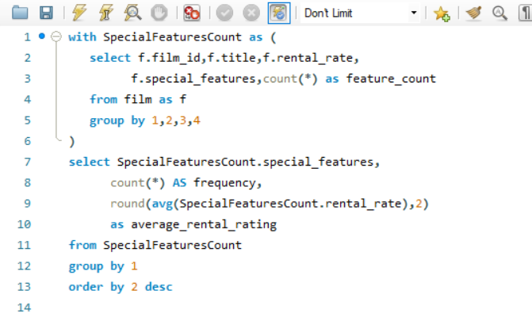

OUTPUT:
special_features | frequency | average_rental_rating
Trailers,Commentaries,Behind the Scenes | 79 | 3.09
Trailers | 72 | 2.8
Trailers,Commentaries | 72 | 2.93
Trailers,Behind the Scenes | 72 | 3.07
Deleted Scenes,Behind the Scenes | 71 | 2.82
Commentaries,Behind the Scenes | 70 | 3.08
Behind the Scenes | 70 | 3.02
Trailers,Deleted Scenes | 66 | 2.87
...

Q-20
PROBLEM Statement : Study customer viewing habits and rental choices related to film length. |  |  |  |  | Visualization: | Insights:

 | length_in_minutes | rental_count
 | 185 | 18
 | 185 | 16
 | 179 | 9
 | 177 | 20
 | 176 | 15
 | 175 | 13
 | 174 | 16
 | 171 | 11
 | 170 | 11
 | 168 | 10
 | 167 | 19
 | 165 | 12
 | 163 | 28
 | 158 | 23
 | 149 | 20
 | 148 | 23
 | 143 | 22
 | 141 | 20
 | 139 | 14
 | 135 | 22
 | 132 | 0
 | 130 | 11
 | 129 | 22
 | 129 | 18
 | 129 | 8
 | 126 | 23
 | 126 | 9
 | 125 | 16
 | 113 | 21
 | 112 | 26
 | 110 | 24
 | 109 | 30
 | 109 | 8
 | 108 | 28
 | 108 | 11
 | 104 | 12
 | 103 | 14
 | 103 | 0
 | 97 | 17
 | 95 | 25
 | 93 | 25
 | 92 | 23
 | 87 | 15
 | 86 | 17
 | 85 | 10
 | 79 | 14
 | 77 | 21
 | 68 | 0
 | 65 | 16
 | 64 | 28
...
 |  |  |  |  |  | This chart provides a clear view of customer preferences based on film length. Customers tend to favor films with durations in the range of 0-100 minutes, with a significant spike in rentals. Rental stores can use this information to optimize their inventory by stocking more films within the preferred duration range, ensuring they align with customer preferences. The customers are prefering shorter films for convenience. Understanding these viewing habits can help stores make informed decisions on film acquisitions.
Sql-Query:
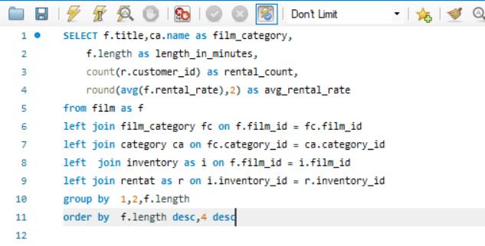

OUTPUT:

title | film_category | length_in_minutes | rental_count | avg_rental_rate
DARN FORRESTER | Action | 185 | 18 | 4.99
WORST BANGER | Action | 185 | 16 | 2.99
...

